Tourism
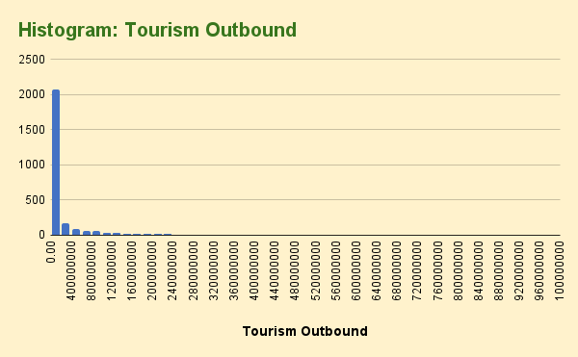
Tourism Outbound | Tourism Inbound
0 | 0
0 | 0
0 | 0 | Correlation Coefficient |  | TOURISM INBOUND
0 | 0 | Tourism Outbound vs | 0.59527322663
0 | 0 | Tourism Inbound |  | Mean | 4283143478.3
0 | 0 |  |  | Trim Mean | 2145749938.1
0 | 0 |  |  | Median | 440000000
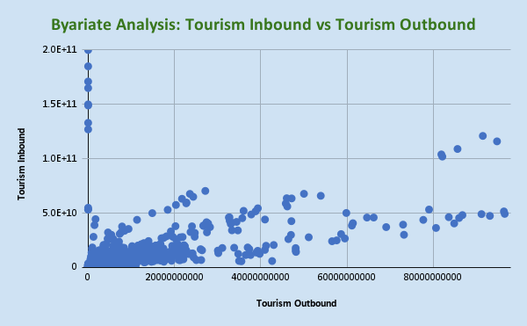
0 | 0 |  |  | Standard Deviation | 13021381378
58000000 | 43000000
61000000 | 96000000
86000000 | 138000000 |  |  | TOURISM OUTBOUND
127000000 | 137000000
80000000 | 116000000 |  |  | Mean | 3473761389.8
290000000 | 398000000 |  |  | Trim Mean | 1657385431.3
269000000 | 451000000 |  |  | Median | 258000000
386000000 | 492000000 |  |  | Standard Deviation | 10130036403
507000000 | 537000000
669000000 | 756000000
808000000 | 880000000
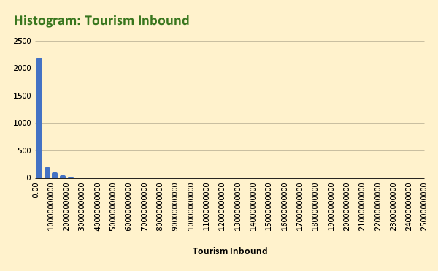
989000000 | 1057000000
1331000000 | 1479000000
1644000000 | 1848000000
1693000000 | 2014000000
1454000000 | 1780000000
1678000000 | 1833000000
1374000000 | 1623000000
193000000 | 102000000
194000000 | 100000000
248000000 | 111000000
255000000 | 112000000
341000000 | 178000000
660000000 | 477000000
414000000 | 393000000
504000000 | 332000000
617000000 | 474000000
574000000 | 381000000
737000000 | 323000000
571000000 | 300000000
559000000 | 295000000
0 | 0
0 | 0
0 | 0
0 | 0
0 | 0
0 | 0
0 | 0
0 | 0
0 | 0
0 | 0
0 | 0
0 | 0
0 | 0
0 | 0
0 | 0
0 | 0
0 | 0
0 | 0
0 | 0
0 | 0
0 | 0
0 | 0
0 | 0
0 | 0
0 | 0
0 | 0
0 | 0
146000000 | 34000000
80000000 | 35000000
52000000 | 51000000
49000000 | 63000000
86000000 | 82000000
135000000 | 103000000
393000000 | 91000000
473000000 | 236000000
447000000 | 293000000
270000000 | 554000000
275000000 | 726000000
323000000 | 653000000
292000000 | 711000000
31000000 | 291000000
32000000 | 272000000
33000000 | 274000000
35000000 | 300000000
38000000 | 337000000
40000000 | 309000000
45000000 | 327000000
52000000 | 338000000
58000000 | 334000000
54000000 | 305000000
52000000 | 298000000
50000000 | 312000000
0 | 0
5460000000 | 3195000000
4888000000 | 2756000000
2744000000 | 1716000000
2997000000 | 2306000000
3208000000 | 2660000000
3554000000 | 3209000000
4038000000 | 3899000000
5063000000 | 4984000000
5962000000 | 5295000000
5766000000 | 4476000000
6375000000 | 5629000000
7477000000 | 6060000000
8213000000 | 5655000000
56000000 | 52000000
59000000 | 81000000
85000000 | 81000000
97000000 | 90000000
216000000 | 188000000
284000000 | 240000000
321000000 | 307000000
345000000 | 343000000
383000000 | 377000000
379000000 | 374000000
466000000 | 456000000
546000000 | 486000000
556000000 | 487000000
163000000 | 850000000
156000000 | 825000000
172000000 | 835000000
213000000 | 858000000
248000000 | 1056000000
250000000 | 1097000000
241000000 | 1064000000
270000000 | 1213000000
273000000 | 1353000000
265000000 | 1224000000
264000000 | 1256000000
289000000 | 1360000000
296000000 | 1414000000
8780000000 | 13016000000
8053000000 | 12804000000
8494000000 | 13624000000
10135000000 | 16647000000
14224000000 | 20453000000
15656000000 | 19820000000
16446000000 | 20726000000
20429000000 | 25624000000
24689000000 | 28306000000
21891000000 | 28022000000
27534000000 | 32336000000
33328000000 | 34207000000
34704000000 | 34130000000
7001000000 | 11382000000
7408000000 | 11511000000
7743000000 | 12334000000
9761000000 | 15128000000
10812000000 | 17251000000
11077000000 | 18471000000
11721000000 | 18886000000
12825000000 | 21088000000
13993000000 | 24346000000
12767000000 | 21220000000
12213000000 | 20980000000
12920000000 | 22453000000
12352000000 | 21446000000
138000000 | 68000000
119000000 | 57000000
110000000 | 63000000
120000000 | 70000000
140000000 | 79000000
188000000 | 100000000
256000000 | 201000000
381000000 | 317000000
456000000 | 382000000
488000000 | 545000000
856000000 | 792000000
1778000000 | 1500000000
2616000000 | 2634000000
348000000 | 1753000000
342000000 | 1665000000
338000000 | 1773000000
404000000 | 1770000000
469000000 | 1897000000
528000000 | 2081000000
541000000 | 2066000000
538000000 | 2198000000
460000000 | 2155000000
386000000 | 2025000000
369000000 | 2159000000
347000000 | 2223000000
384000000 | 2415000000
425000000 | 854000000
423000000 | 886000000
550000000 | 985000000
492000000 | 1206000000
528000000 | 1504000000
574000000 | 1603000000
639000000 | 1786000000
671000000 | 1854000000
704000000 | 1927000000
597000000 | 1873000000
684000000 | 2163000000
899000000 | 1766000000
889000000 | 1742000000
471000000 | 50000000
341000000 | 48000000
309000000 | 59000000
389000000 | 59000000
442000000 | 76000000
375000000 | 79000000
444000000 | 80000000
530000000 | 76000000
735000000 | 75000000
651000000 | 77000000
835000000 | 103000000
819000000 | 97000000
829000000 | 110000000
141000000 | 733000000
149000000 | 706000000
146000000 | 666000000
153000000 | 767000000
163000000 | 784000000
274000000 | 1081000000
284000000 | 1235000000
290000000 | 1224000000
279000000 | 1244000000
293000000 | 1122000000
351000000 | 1074000000
0 | 0
0 | 0
247000000 | 188000000
486000000 | 272000000
527000000 | 295000000
436000000 | 339000000
500000000 | 362000000
516000000 | 346000000
675000000 | 401000000
724000000 | 479000000
860000000 | 585000000
752000000 | 563000000
748000000 | 665000000
729000000 | 747000000
781000000 | 986000000
9429000000 | 6592000000
10878000000 | 8304000000
11270000000 | 7598000000
13402000000 | 8848000000
15456000000 | 10089000000
16771000000 | 10881000000
17891000000 | 11625000000
19215000000 | 12371000000
21445000000 | 13106000000
22292000000 | 11500000000
20876000000 | 11624000000
24215000000 | 13008000000
23784000000 | 12659000000
44000000 | 111000000
45000000 | 111000000
48000000 | 121000000
50000000 | 150000000
47000000 | 168000000
45000000 | 214000000
43000000 | 260000000
46000000 | 289000000
44000000 | 278000000
43000000 | 256000000
39000000 | 264000000
37000000 | 248000000
40000000 | 299000000
50000000 | 77000000
48000000 | 86000000
49000000 | 95000000
53000000 | 108000000
59000000 | 121000000
58000000 | 108000000
71000000 | 122000000
107000000 | 206000000
102000000 | 236000000
88000000 | 131000000
91000000 | 149000000
0 | 188000000
0 | 192000000
0 | 431000000
0 | 351000000
243000000 | 378000000
248000000 | 348000000
217000000 | 426000000
239000000 | 429000000
394000000 | 495000000
453000000 | 569000000
459000000 | 431000000
407000000 | 366000000
417000000 | 442000000
413000000 | 472000000
411000000 | 461000000
0 | 10000000
0 | 9000000
0 | 8000000
0 | 8000000
0 | 13000000
0 | 19000000
22000000 | 36000000
26000000 | 47000000
66000000 | 46000000
34000000 | 51000000
43000000 | 64000000
58000000 | 76000000
71000000 | 94000000
116000000 | 101000000
114000000 | 119000000
114000000 | 143000000
197000000 | 243000000
232000000 | 283000000
257000000 | 345000000
360000000 | 330000000
385000000 | 326000000
381000000 | 302000000
388000000 | 306000000
421000000 | 339000000
410000000 | 499000000
559000000 | 581000000
92000000 | 246000000
96000000 | 279000000
112000000 | 307000000
145000000 | 404000000
162000000 | 507000000
158000000 | 557000000
210000000 | 658000000
264000000 | 804000000
345000000 | 913000000
285000000 | 753000000
247000000 | 662000000
238000000 | 734000000
194000000 | 665000000
209000000 | 227000000
215000000 | 235000000
197000000 | 324000000
235000000 | 459000000
280000000 | 582000000
301000000 | 563000000
285000000 | 539000000
284000000 | 548000000
54000000 | 59000000
80000000 | 53000000
89000000 | 80000000
82000000 | 36000000
100000000 | 30000000
4548000000 | 1969000000
3765000000 | 1844000000
2929000000 | 2142000000
2874000000 | 2673000000
3752000000 | 3389000000
5905000000 | 4168000000
7501000000 | 4577000000
10434000000 | 5284000000
13269000000 | 6109000000
12897000000 | 5635000000
19340000000 | 6180000000
25070000000 | 6830000000
26202000000 | 6890000000
0 | 0
456000000 | 155000000
398000000 | 113000000
469000000 | 124000000
382000000 | 181000000
374000000 | 191000000
408000000 | 224000000
430000000 | 233000000
459000000 | 242000000
477000000 | 254000000
0 | 0
0 | 0
0 | 0
764000000 | 1364000000
836000000 | 1262000000
1018000000 | 1392000000
1467000000 | 2051000000
1935000000 | 2796000000
1858000000 | 3063000000
2099000000 | 3317000000
2142000000 | 4181000000
2602000000 | 4852000000
1955000000 | 4273000000
1382000000 | 4035000000
1498000000 | 4554000000
1475000000 | 4202000000
30000000 | 23000000
35000000 | 25000000
36000000 | 37000000
50000000 | 38000000
67000000 | 52000000
74000000 | 46000000
84000000 | 55000000
93000000 | 61000000
110000000 | 82000000
111000000 | 99000000
110000000 | 105000000
0 | 0
0 | 0
14000000 | 1400000
12000000 | 900000
14000000 | 1600000
15000000 | 1200000
29000000 | 1800000
62000000 | 1900000
126000000 | 1600000
106000000 | 2300000
151000000 | 1600000
71000000 | 1700000
35000000 | 2100000
49000000 | 3700000
41000000 | 2700000
52000000 | 345000000
59000000 | 429000000
64000000 | 509000000
60000000 | 441000000
80000000 | 673000000
137000000 | 929000000
176000000 | 1109000000
194000000 | 1169000000
180000000 | 1280000000
163000000 | 1208000000
268000000 | 1332000000
333000000 | 1790000000
382000000 | 2000000000
241000000 | 132000000
199000000 | 182000000
205000000 | 124000000
272000000 | 266000000
394000000 | 212000000
480000000 | 229000000
521000000 | 231000000
466000000 | 254000000
563000000 | 167000000
476000000 | 271000000
265000000 | 171000000
622000000 | 423000000
668000000 | 377000000
15125000000 | 13035000000
14634000000 | 12680000000
14257000000 | 12744000000
16309000000 | 12236000000
19267000000 | 15135000000
22739000000 | 15887000000
26067000000 | 16837000000
31099000000 | 17961000000
33844000000 | 18191000000
30065000000 | 15568000000
36975000000 | 18438000000
41234000000 | 19989000000
43010000000 | 20696000000
0 | 559000000
0 | 585000000
0 | 607000000
0 | 518000000
0 | 523000000
0 | 356000000
164000000 | 509000000
132000000 | 481000000
130000000 | 518000000
120000000 | 458000000
129000000 | 465000000
145000000 | 472000000
0 | 0
33000000 | 5000000
29000000 | 5000000
29000000 | 3000000
31000000 | 4000000
32000000 | 7800000
46000000 | 7200000
47000000 | 10200000
54000000 | 10800000
56000000 | 11800000
61000000 | 6000000
61000000 | 7200000
0 | 0
0 | 0
56000000 | 14000000
56000000 | 23000000
80000000 | 25000000
0 | 0
0 | 0
0 | 0
0 | 0
0 | 0
0 | 0
0 | 0
0 | 0
0 | 0
0 | 0
904000000 | 1179000000
939000000 | 1184000000
932000000 | 1221000000
1109000000 | 1309000000
1251000000 | 1571000000
1355000000 | 1682000000
1573000000 | 1891000000
2042000000 | 2226000000
1789000000 | 2537000000
1504000000 | 2350000000
1808000000 | 2422000000
2047000000 | 2751000000
2348000000 | 3180000000
14169000000 | 17318000000
14992000000 | 19006000000
16759000000 | 21742000000
16716000000 | 18707000000
21360000000 | 27755000000
24721000000 | 31842000000
28242000000 | 37132000000
33269000000 | 41126000000
40987000000 | 44130000000
47108000000 | 42632000000
59840000000 | 50154000000
79010000000 | 53313000000
0 | 54937000000
1452000000 | 1313000000
1556000000 | 1483000000
1355000000 | 1237000000
1349000000 | 1191000000
1469000000 | 1369000000
1565000000 | 1574000000
1799000000 | 2009000000
2093000000 | 2262000000
2337000000 | 2438000000
2301000000 | 2609000000
2373000000 | 2727000000
2842000000 | 2992000000
3364000000 | 3257000000
0 | 15000000
0 | 9000000
0 | 11000000
8000000 | 16000000
9000000 | 21000000
10000000 | 24000000
11000000 | 27000000
15000000 | 30000000
15000000 | 37000000
17000000 | 32000000
19000000 | 35000000
20000000 | 42000000
0 | 0
59000000 | 12400000
82000000 | 22600000
85000000 | 25600000
118000000 | 30000000
176000000 | 23100000
112000000 | 40000000
132000000 | 45000000
168000000 | 54000000
0 | 0
0 | 0
0 | 0
0 | 0
0 | 0
0 | 0
0 | 0
0 | 0
0 | 0
0 | 0
54000000 | 3200000
93000000 | 3100000
109000000 | 700000
127000000 | 700000
121000000 | 24000000
150000000 | 10700000
298000000 | 11400000
108000000 | 6900000
551000000 | 1477000000
434000000 | 1339000000
430000000 | 1292000000
434000000 | 1424000000
481000000 | 1586000000
556000000 | 1810000000
577000000 | 1865000000
751000000 | 2221000000
718000000 | 2533000000
462000000 | 2001000000
533000000 | 2179000000
522000000 | 2375000000
567000000 | 2544000000
289000000 | 58000000
490000000 | 56000000
551000000 | 76000000
571000000 | 91000000
549000000 | 93000000
583000000 | 104000000
606000000 | 115000000
612000000 | 129000000
589000000 | 164000000
569000000 | 213000000
0 | 0
0 | 0
634000000 | 2871000000
677000000 | 3463000000
852000000 | 3952000000
709000000 | 6513000000
881000000 | 6945000000
786000000 | 7625000000
770000000 | 8296000000
1025000000 | 9601000000
1156000000 | 11681000000
1041000000 | 9308000000
859000000 | 8255000000
919000000 | 9638000000
962000000 | 8865000000
0 | 1948000000
0 | 1840000000
0 | 1769000000
0 | 1999000000
0 | 2114000000
0 | 2591000000
0 | 2414000000
0 | 2415000000
0 | 2347000000
0 | 2082000000
0 | 2218000000
0 | 2503000000
0 | 2614000000
0 | 227000000
0 | 271000000
137000000 | 217000000
176000000 | 223000000
195000000 | 224000000
164000000 | 244000000
191000000 | 277000000
223000000 | 329000000
229000000 | 383000000
258000000 | 378000000
282000000 | 438000000
321000000 | 540000000
357000000 | 676000000
543000000 | 2137000000
568000000 | 2203000000
582000000 | 2178000000
700000000 | 2325000000
907000000 | 2552000000
1001000000 | 2644000000
1031000000 | 2691000000
1554000000 | 3108000000
1895000000 | 3231000000
1638000000 | 2474000000
1457000000 | 2371000000
1721000000 | 2751000000
1637000000 | 2709000000
1276000000 | 2973000000
1386000000 | 3104000000
1797000000 | 3376000000
2177000000 | 4069000000
2682000000 | 4931000000
2603000000 | 5772000000
2874000000 | 6702000000
3704000000 | 7775000000
4797000000 | 8871000000
4158000000 | 7936000000
4166000000 | 8017000000
4660000000 | 8503000000
4379000000 | 7758000000
4669000000 | 3671000000
4861000000 | 4003000000
5838000000 | 4791000000
6659000000 | 5271000000
7279000000 | 5652000000
6850000000 | 5293000000
7486000000 | 5562000000
8830000000 | 5978000000
9698000000 | 6281000000
8968000000 | 5617000000
9082000000 | 5704000000
9840000000 | 6366000000
9600000000 | 6135000000
14800000 | 8100000
12900000 | 8600000
7700000 | 8900000
9900000 | 6900000
14000000 | 6800000
14400000 | 7100000
15000000 | 9800000
14200000 | 6800000
15500000 | 7800000
17500000 | 16000000
20500000 | 18000000
33500000 | 19200000
29600000 | 20500000
440000000 | 2860000000
425000000 | 2798000000
429000000 | 2730000000
408000000 | 3128000000
448000000 | 3152000000
511000000 | 3518000000
495000000 | 3917000000
531000000 | 4064000000
532000000 | 4166000000
523000000 | 4049000000
554000000 | 4209000000
545000000 | 4436000000
545000000 | 4736000000
9000000 | 48000000
9000000 | 46000000
9000000 | 46000000
9000000 | 52000000
9000000 | 61000000
10000000 | 57000000
10000000 | 72000000
11000000 | 74000000
11000000 | 76000000
13000000 | 79000000
13000000 | 95000000
12000000 | 113000000
13000000 | 110000000
416000000 | 451000000
465000000 | 438000000
507000000 | 449000000
500000000 | 408000000
577000000 | 464000000
644000000 | 488000000
706000000 | 492000000
733000000 | 626000000
790000000 | 745000000
806000000 | 674000000
863000000 | 786000000
917000000 | 849000000
944000000 | 1039000000
1206000000 | 4657000000
1248000000 | 4119000000
1309000000 | 4133000000
1465000000 | 4704000000
1543000000 | 6328000000
1932000000 | 7206000000
2156000000 | 8133000000
2886000000 | 10327000000
3390000000 | 12104000000
2941000000 | 11757000000
2696000000 | 13633000000
2575000000 | 9333000000
3037000000 | 10823000000
219000000 | 437000000
247000000 | 452000000
266000000 | 521000000
311000000 | 664000000
373000000 | 748000000
288000000 | 656000000
307000000 | 686000000
363000000 | 793000000
326000000 | 711000000
253000000 | 549000000
280000000 | 646000000
244000000 | 729000000
286000000 | 894000000
19000000 | 5000000
30000000 | 14000000
0 | 0
0 | 0
0 | 0
0 | 0
0 | 0
0 | 0
0 | 0
0 | 0
0 | 0
0 | 0
0 | 0
0 | 36000000
0 | 74000000
0 | 73000000
0 | 74000000
0 | 73000000
0 | 66000000
0 | 60000000
0 | 61000000
0 | 46000000
0 | 26000000
0 | 0
0 | 0
0 | 0
253000000 | 657000000
253000000 | 661000000
305000000 | 737000000
404000000 | 883000000
486000000 | 1111000000
530000000 | 1229000000
706000000 | 1361000000
804000000 | 1416000000
939000000 | 1643000000
696000000 | 1445000000
723000000 | 1412000000
939000000 | 1683000000
958000000 | 1588000000
80000000 | 205000000
50000000 | 218000000
55000000 | 261000000
63000000 | 336000000
59000000 | 458000000
77000000 | 533000000
97000000 | 639000000
107000000 | 790000000
156000000 | 1184000000
139000000 | 1119000000
143000000 | 1434000000
170000000 | 1998000000
181000000 | 1980000000
0 | 0
0 | 0
0 | 0
0 | 0
0 | 0
0 | 0
0 | 0
0 | 0
0 | 0
0 | 0
0 | 0
0 | 0
0 | 0
96000000 | 291000000
84000000 | 316000000
79000000 | 384000000
88000000 | 496000000
118000000 | 588000000
132000000 | 722000000
123000000 | 684000000
130000000 | 725000000
112000000 | 938000000
110000000 | 724000000
100000000 | 809000000
115000000 | 933000000
110000000 | 987000000
2293000000 | 2035000000
2442000000 | 2065000000
2438000000 | 2235000000
2954000000 | 2676000000
3383000000 | 2975000000
3622000000 | 3069000000
4099000000 | 3515000000
4812000000 | 4287000000
5579000000 | 4873000000
5226000000 | 4104000000
5267000000 | 4510000000
6009000000 | 5591000000
5839000000 | 5415000000
26703000000 | 38534000000
26749000000 | 38385000000
27808000000 | 40537000000
32618000000 | 45990000000
36029000000 | 52108000000
38813000000 | 51691000000
39331000000 | 54450000000
46029000000 | 63701000000
50021000000 | 67779000000
45806000000 | 58857000000
46157000000 | 56139000000
53914000000 | 65959000000
47159000000 | 63530000000
0 | 0
0 | 0
264000000 | 471000000
335000000 | 651000000
425000000 | 737000000
430000000 | 759000000
122000000 | 463000000
153000000 | 537000000
159000000 | 522000000
164000000 | 440000000
160000000 | 405000000
168000000 | 384000000
0 | 0
183000000 | 99000000
256000000 | 46000000
234000000 | 77000000
239000000 | 84000000
275000000 | 74000000
346000000 | 13000000
0 | 0
0 | 0
0 | 0
0 | 0
0 | 0
0 | 0
0 | 0
0 | 0
0 | 0
0 | 0
8000000 | 58000000
6000000 | 51000000
7000000 | 59000000
8000000 | 69000000
8000000 | 87000000
8000000 | 80000000
9000000 | 64000000
11000000 | 80000000
11000000 | 92000000
8000000 | 99000000
129000000 | 107000000
136000000 | 136000000
189000000 | 144000000
170000000 | 172000000
196000000 | 209000000
237000000 | 287000000
257000000 | 361000000
277000000 | 440000000
337000000 | 505000000
311000000 | 537000000
329000000 | 737000000
384000000 | 1069000000
471000000 | 1565000000
57601000000 | 24943000000
56529000000 | 24175000000
59496000000 | 26690000000
73203000000 | 30104000000
80624000000 | 36390000000
84838000000 | 40531000000
85974000000 | 45538000000
96549000000 | 49332000000
0 | 53398000000
93112000000 | 47466000000
91166000000 | 49108000000
0 | 53399000000
96361000000 | 51581000000
162000000 | 357000000
165000000 | 374000000
184000000 | 383000000
216000000 | 441000000
270000000 | 495000000
472000000 | 867000000
575000000 | 910000000
816000000 | 990000000
870000000 | 970000000
948000000 | 849000000
882000000 | 706000000
1026000000 | 797000000
979000000 | 1154000000
4564000000 | 9262000000
4189000000 | 9216000000
2453000000 | 10005000000
2439000000 | 10842000000
2880000000 | 12809000000
3045000000 | 13453000000
3004000000 | 14495000000
3430000000 | 15687000000
3946000000 | 17586000000
3401000000 | 14796000000
2874000000 | 12579000000
3197000000 | 14984000000
2392000000 | 13313000000
0 | 0
0 | 0
0 | 0
0 | 0
0 | 0
0 | 0
0 | 0
0 | 0
0 | 0
0 | 0
0 | 0
0 | 0
0 | 0
8000000 | 93000000
8000000 | 83000000
8000000 | 91000000
8000000 | 104000000
9000000 | 86000000
10000000 | 71000000
16000000 | 94000000
16000000 | 129000000
11000000 | 127000000
10000000 | 112000000
10000000 | 112000000
10000000 | 117000000
10000000 | 110000000
0 | 0
0 | 0
0 | 0
0 | 0
0 | 0
0 | 0
0 | 0
0 | 0
0 | 0
0 | 0
0 | 0
0 | 0
0 | 0
216000000 | 498000000
266000000 | 588000000
329000000 | 647000000
373000000 | 646000000
488000000 | 630000000
532000000 | 791000000
655000000 | 919000000
737000000 | 1055000000
741000000 | 1068000000
862000000 | 1179000000
1002000000 | 1379000000
935000000 | 1350000000
914000000 | 1419000000
13000000 | 7800000
26000000 | 8200000
38000000 | 0
36000000 | 0
29000000 | 0
38000000 | 0
41000000 | 0
96000000 | 1100000
30000000 | 2400000
28000000 | 4900000
17000000 | 2000000
49000000 | 2100000
41000000 | 1700000
0 | 0
5500000 | 2700000
10200000 | 2300000
21300000 | 2400000
22300000 | 2200000
18900000 | 1600000
17800000 | 2800000
40700000 | 28400000
46100000 | 38200000
26000000 | 12000000
29500000 | 13600000
0 | 0
0 | 0
77000000 | 80000000
62000000 | 65000000
44000000 | 53000000
30000000 | 28000000
30000000 | 27000000
40000000 | 35000000
49000000 | 37000000
58000000 | 50000000
52000000 | 59000000
52000000 | 35000000
73000000 | 80000000
79000000 | 95000000
82000000 | 64000000
173000000 | 128000000
168000000 | 105000000
172000000 | 108000000
202000000 | 96000000
206000000 | 93000000
174000000 | 80000000
239000000 | 126000000
331000000 | 190000000
383000000 | 276000000
433000000 | 312000000
431000000 | 169000000
458000000 | 162000000
474000000 | 170000000
198000000 | 263000000
205000000 | 260000000
221000000 | 305000000
274000000 | 372000000
300000000 | 420000000
321000000 | 465000000
425000000 | 516000000
309000000 | 547000000
385000000 | 620000000
361000000 | 616000000
406000000 | 627000000
446000000 | 642000000
464000000 | 666000000
12502000000 | 8198000000
12317000000 | 7923000000
12418000000 | 9849000000
11447000000 | 9004000000
13270000000 | 11874000000
13305000000 | 13588000000
14044000000 | 15541000000
15042000000 | 18237000000
16095000000 | 20236000000
15669000000 | 20291000000
17503000000 | 27208000000
19172000000 | 33169000000
20246000000 | 38021000000
1722000000 | 3809000000
1887000000 | 4191000000
2211000000 | 3774000000
2700000000 | 4119000000
2482000000 | 4009000000
2721000000 | 4761000000
2319000000 | 4998000000
3088000000 | 5628000000
3833000000 | 7113000000
3233000000 | 6740000000
2879000000 | 6338000000
3028000000 | 6929000000
2514000000 | 5923000000
471000000 | 386000000
372000000 | 383000000
373000000 | 415000000
524000000 | 486000000
699000000 | 558000000
991000000 | 635000000
1084000000 | 702000000
1336000000 | 848000000
1103000000 | 881000000
534000000 | 550000000
599000000 | 562000000
740000000 | 751000000
780000000 | 865000000
3686000000 | 3598000000
4367000000 | 3342000000
4350000000 | 3300000000
4385000000 | 4560000000
5783000000 | 6307000000
8277000000 | 7659000000
8738000000 | 8915000000
10690000000 | 11234000000
12083000000 | 12462000000
9310000000 | 11136000000
10490000000 | 14490000000
13699000000 | 17708000000
14107000000 | 18340000000
3197000000 | 4975000000
3406000000 | 5277000000
5042000000 | 5797000000
4427000000 | 4461000000
4569000000 | 5226000000
4740000000 | 5094000000
5458000000 | 4890000000
6578000000 | 5831000000
8801000000 | 8150000000
6908000000 | 6053000000
8432000000 | 7618000000
8653000000 | 9038000000
9498000000 | 9463000000
671000000 | 677000000
714000000 | 1122000000
3990000000 | 1607000000
4120000000 | 1266000000
4402000000 | 1305000000
4112000000 | 1025000000
5066000000 | 1464000000
7335000000 | 1950000000
8270000000 | 1978000000
8503000000 | 2259000000
10570000000 | 2631000000
10881000000 | 2574000000
0 | 0
9000000 | 2000000
31000000 | 15000000
26000000 | 45000000
0 | 0
0 | 0
627000000 | 186000000
526000000 | 170000000
705000000 | 555000000
813000000 | 867000000
1221000000 | 1432000000
1675000000 | 1736000000
1879000000 | 1557000000
2363000000 | 1640000000
2626000000 | 3517000000
2956000000 | 3789000000
3835000000 | 4228000000
4832000000 | 5206000000
5291000000 | 6075000000
6186000000 | 6780000000
6978000000 | 7664000000
8785000000 | 9263000000
10539000000 | 9967000000
7934000000 | 8458000000
7178000000 | 8187000000
6837000000 | 9526000000
6001000000 | 9064000000
0 | 0
0 | 0
0 | 0
0 | 0
0 | 0
0 | 0
0 | 0
0 | 0
0 | 0
0 | 0
0 | 0
0 | 0
0 | 0
3733000000 | 4611000000
3887000000 | 2854000000
3322000000 | 2426000000
3341000000 | 2473000000
3663000000 | 2908000000
3780000000 | 3427000000
4085000000 | 3802000000
4669000000 | 4405000000
4693000000 | 5509000000
4241000000 | 5067000000
4725000000 | 5824000000
4937000000 | 6029000000
4851000000 | 6225000000
18169000000 | 28706000000
16997000000 | 26916000000
19636000000 | 28192000000
23731000000 | 32591000000
24064000000 | 37870000000
26774000000 | 38374000000
27437000000 | 41644000000
32754000000 | 46144000000
37807000000 | 48757000000
34399000000 | 41938000000
33053000000 | 40058000000
35724000000 | 45368000000
32798000000 | 43036000000
238000000 | 1577000000
227000000 | 1494000000
274000000 | 1482000000
269000000 | 1621000000
318000000 | 1733000000
290000000 | 1783000000
315000000 | 2094000000
340000000 | 2142000000
312000000 | 2222000000
259000000 | 2070000000
235000000 | 2095000000
213000000 | 2055000000
165000000 | 2070000000
42643000000 | 5970000000
35526000000 | 5750000000
34977000000 | 6069000000
36505000000 | 11475000000
48175000000 | 14343000000
48102000000 | 15555000000
37659000000 | 11490000000
37261000000 | 12422000000
38976000000 | 13781000000
34788000000 | 12537000000
39306000000 | 15356000000
39760000000 | 12534000000
40967000000 | 16197000000
387000000 | 935000000
420000000 | 884000000
504000000 | 1254000000
503000000 | 1266000000
585000000 | 1621000000
653000000 | 1759000000
956000000 | 2426000000
1024000000 | 2754000000
1140000000 | 3539000000
1202000000 | 3472000000
1736000000 | 4390000000
1280000000 | 3860000000
1257000000 | 4485000000
483000000 | 403000000
761000000 | 502000000
863000000 | 680000000
783000000 | 638000000
997000000 | 803000000
940000000 | 801000000
1060000000 | 973000000
1396000000 | 1213000000
1361000000 | 1255000000
1319000000 | 1185000000
1489000000 | 1236000000
1831000000 | 1524000000
2119000000 | 1572000000
156000000 | 500000000
183000000 | 536000000
126000000 | 513000000
127000000 | 619000000
108000000 | 799000000
124000000 | 969000000
178000000 | 1181000000
265000000 | 1514000000
266000000 | 1398000000
227000000 | 1124000000
212000000 | 1620000000
197000000 | 1844000000
174000000 | 2004000000
0 | 2700000
0 | 3200000
0 | 0
0 | 0
0 | 0
9300000 | 3100000
5600000 | 2300000
9100000 | 4000000
12700000 | 2900000
10900000 | 2700000
0 | 0
0 | 0
0 | 0
0 | 0
0 | 0
0 | 0
0 | 0
0 | 0
0 | 0
0 | 0
0 | 0
0 | 0
0 | 0
0 | 0
0 | 0
0 | 0
2852000000 | 394000000
3207000000 | 286000000
3412000000 | 320000000
3750000000 | 328000000
4147000000 | 398000000
4997000000 | 413000000
6074000000 | 508000000
7267000000 | 530000000
8341000000 | 610000000
6799000000 | 660000000
7106000000 | 574000000
9179000000 | 644000000
9821000000 | 780000000
28000000 | 20000000
21000000 | 32000000
27000000 | 48000000
35000000 | 62000000
73000000 | 92000000
94000000 | 94000000
142000000 | 189000000
215000000 | 392000000
451000000 | 569000000
393000000 | 506000000
398000000 | 336000000
566000000 | 689000000
738000000 | 750000000
8000000 | 114000000
4000000 | 108000000
4000000 | 110000000
5000000 | 77000000
8000000 | 122000000
10000000 | 143000000
15000000 | 160000000
14000000 | 190000000
51000000 | 280000000
91000000 | 271000000
215000000 | 385000000
248000000 | 413000000
241000000 | 461000000
281000000 | 172000000
255000000 | 153000000
267000000 | 201000000
365000000 | 271000000
428000000 | 343000000
655000000 | 446000000
788000000 | 622000000
1021000000 | 881000000
1250000000 | 1134000000
906000000 | 1013000000
771000000 | 963000000
920000000 | 1102000000
863000000 | 1068000000
0 | 742000000
0 | 837000000
2683000000 | 4284000000
3319000000 | 6782000000
3719000000 | 5931000000
3565000000 | 5969000000
3783000000 | 5457000000
3914000000 | 5796000000
4297000000 | 6317000000
4928000000 | 7157000000
4868000000 | 8026000000
4440000000 | 6797000000
4125000000 | 6298000000
195000000 | 18000000
166000000 | 16000000
164000000 | 14000000
242000000 | 21000000
278000000 | 26000000
271000000 | 27000000
263000000 | 29000000
276000000 | 31000000
248000000 | 30000000
247000000 | 30000000
278000000 | 25000000
300000000 | 29000000
256000000 | 46000000
0 | 0
0 | 0
0 | 0
0 | 0
29000000 | 59000000
33000000 | 67000000
41000000 | 124000000
48000000 | 131000000
58000000 | 158000000
51000000 | 123000000
134000000 | 12000000
132000000 | 232000000
0 | 0
495000000 | 84000000
572000000 | 90000000
654000000 | 202000000
689000000 | 243000000
789000000 | 261000000
920000000 | 301000000
915000000 | 244000000
1010000000 | 99000000
1339000000 | 99000000
1683000000 | 159000000
2184000000 | 170000000
0 | 0
2654000000 | 0
0 | 0
0 | 0
0 | 0
0 | 0
0 | 0
0 | 0
0 | 0
0 | 0
0 | 0
0 | 0
0 | 0
0 | 0
0 | 0
261000000 | 430000000
227000000 | 425000000
334000000 | 556000000
476000000 | 700000000
643000000 | 834000000
757000000 | 975000000
931000000 | 1077000000
1168000000 | 1192000000
1567000000 | 1316000000
1170000000 | 1063000000
936000000 | 1034000000
874000000 | 1417000000
1058000000 | 1430000000
1309000000 | 1686000000
1464000000 | 1780000000
1963000000 | 2547000000
2445000000 | 3149000000
2950000000 | 3880000000
2977000000 | 3612000000
3138000000 | 3636000000
3476000000 | 4032000000
3801000000 | 4486000000
3612000000 | 4148000000
3549000000 | 4115000000
3822000000 | 4825000000
3582000000 | 4613000000
0 | 3205000000
0 | 3745000000
512000000 | 4428000000
471000000 | 5225000000
529000000 | 7431000000
615000000 | 8190000000
648000000 | 10055000000
777000000 | 13733000000
902000000 | 17297000000
983000000 | 18445000000
1237000000 | 28214000000
1476000000 | 38976000000
1711000000 | 44455000000
139000000 | 152000000
179000000 | 149000000
192000000 | 109000000
67000000 | 119000000
108000000 | 239000000
80000000 | 290000000
86000000 | 386000000
94000000 | 506000000
143000000 | 620000000
123000000 | 518000000
110000000 | 633000000
0 | 0
0 | 0
53000000 | 29000000
52000000 | 40000000
86000000 | 45000000
70000000 | 66000000
70000000 | 74000000
84000000 | 48000000
85000000 | 45000000
79000000 | 43000000
86000000 | 43000000
91000000 | 46000000
93000000 | 47000000
97000000 | 39000000
101000000 | 38000000
2543000000 | 5873000000
3391000000 | 7627000000
3330000000 | 8084000000
3401000000 | 6799000000
3822000000 | 9183000000
4339000000 | 10389000000
5085000000 | 12280000000
6600000000 | 17948000000
7724000000 | 18553000000
7196000000 | 17231000000
8324000000 | 18152000000
10180000000 | 19649000000
11545000000 | 20251000000
60000000 | 321000000
59000000 | 327000000
60000000 | 337000000
60000000 | 402000000
75000000 | 471000000
94000000 | 826000000
106000000 | 1235000000
152000000 | 1515000000
211000000 | 1559000000
212000000 | 1473000000
252000000 | 1713000000
256000000 | 1868000000
270000000 | 1873000000
66000000 | 47000000
65000000 | 91000000
62000000 | 105000000
94000000 | 136000000
125000000 | 142000000
133000000 | 149000000
196000000 | 175000000
201000000 | 227000000
228000000 | 286000000
231000000 | 290000000
235000000 | 296000000
224000000 | 274000000
0 | 0
224000000 | 731000000
204000000 | 704000000
180000000 | 757000000
238000000 | 869000000
291000000 | 949000000
311000000 | 924000000
362000000 | 966000000
284000000 | 1185000000
361000000 | 1336000000
362000000 | 1117000000
366000000 | 1238000000
401000000 | 1465000000
408000000 | 1451000000
200000 | 3000000
300000 | 3100000
300000 | 3400000
300000 | 4000000
400000 | 5000000
400000 | 5700000
400000 | 6600000
0 | 4500000
0 | 3000000
0 | 3500000
0 | 3300000
0 | 0
0 | 0
0 | 0
0 | 0
0 | 0
0 | 0
0 | 0
0 | 0
0 | 0
0 | 0
0 | 0
0 | 0
0 | 0
0 | 0
0 | 0
203000000 | 732000000
216000000 | 820000000
223000000 | 829000000
236000000 | 960000000
277000000 | 1156000000
295000000 | 1189000000
347000000 | 1302000000
384000000 | 1663000000
489000000 | 1823000000
384000000 | 1390000000
423000000 | 1585000000
427000000 | 1808000000
394000000 | 1778000000
6365000000 | 9133000000
6685000000 | 9190000000
7087000000 | 9547000000
7252000000 | 10058000000
8034000000 | 11610000000
8951000000 | 12801000000
9387000000 | 13329000000
9918000000 | 14055000000
10246000000 | 14726000000
8737000000 | 12542000000
9001000000 | 12628000000
9704000000 | 12458000000
10735000000 | 13320000000
5000000 | 17000000
5000000 | 15000000
5000000 | 17000000
6000000 | 17000000
7000000 | 19000000
7000000 | 21000000
7000000 | 23000000
7000000 | 25000000
7000000 | 27000000
8000000 | 27000000
8000000 | 29000000
8000000 | 26000000
0 | 0
86000000 | 57000000
90000000 | 58000000
109000000 | 72000000
118000000 | 79000000
135000000 | 112000000
170000000 | 138000000
224000000 | 150000000
290000000 | 229000000
359000000 | 293000000
307000000 | 240000000
324000000 | 232000000
374000000 | 262000000
420000000 | 294000000
0 | 0
0 | 0
0 | 0
0 | 0
0 | 0
0 | 0
0 | 0
0 | 0
0 | 0
0 | 0
0 | 0
0 | 0
0 | 0
54000000 | 43000000
59000000 | 49000000
125000000 | 143000000
144000000 | 154000000
207000000 | 205000000
173000000 | 203000000
212000000 | 261000000
227000000 | 354000000
249000000 | 272000000
242000000 | 253000000
319000000 | 288000000
404000000 | 258000000
420000000 | 480000000
0 | 0
0 | 0
0 | 0
0 | 0
0 | 0
0 | 0
0 | 0
58000000 | 660000000
80000000 | 859000000
76000000 | 792000000
72000000 | 765000000
70000000 | 926000000
67000000 | 860000000
506000000 | 2280000000
589000000 | 2966000000
669000000 | 3157000000
845000000 | 3802000000
912000000 | 4540000000
999000000 | 5426000000
1113000000 | 6900000000
1418000000 | 8307000000
1910000000 | 8885000000
1713000000 | 7980000000
1879000000 | 8176000000
2260000000 | 9101000000
2095000000 | 8491000000
122000000 | 74000000
132000000 | 64000000
115000000 | 65000000
141000000 | 106000000
140000000 | 96000000
187000000 | 138000000
196000000 | 145000000
209000000 | 182000000
235000000 | 213000000
247000000 | 217000000
260000000 | 224000000
256000000 | 266000000
230000000 | 289000000
30000000 | 195000000
32000000 | 132000000
34000000 | 136000000
36000000 | 70000000
32000000 | 97000000
34000000 | 83000000
40000000 | 59000000
39000000 | 97000000
50000000 | 80000000
52000000 | 75000000
53000000 | 91000000
132000000 | 293000000
0 | 0
86000000 | 193000000
71000000 | 264000000
65000000 | 251000000
101000000 | 383000000
123000000 | 426000000
108000000 | 363000000
118000000 | 473000000
132000000 | 542000000
114000000 | 484000000
120000000 | 511000000
145000000 | 560000000
207000000 | 645000000
0 | 0
109000000 | 219000000
128000000 | 191000000
108000000 | 134000000
119000000 | 232000000
205000000 | 260000000
221000000 | 160000000
261000000 | 157000000
402000000 | 234000000
545000000 | 353000000
572000000 | 439000000
528000000 | 378000000
420000000 | 415000000
561000000 | 379000000
13649000000 | 11285000000
13061000000 | 11147000000
14201000000 | 11745000000
15887000000 | 14603000000
16937000000 | 16495000000
16621000000 | 16528000000
17453000000 | 17529000000
19477000000 | 19922000000
22217000000 | 20523000000
21080000000 | 17868000000
19772000000 | 18690000000
20884000000 | 20970000000
20346000000 | 20527000000
0 | 111000000
0 | 94000000
104000000 | 156000000
128000000 | 196000000
167000000 | 241000000
122000000 | 149000000
129000000 | 122000000
149000000 | 142000000
168000000 | 152000000
170000000 | 141000000
179000000 | 129000000
176000000 | 153000000
0 | 0
1235000000 | 2272000000
1255000000 | 2340000000
1386000000 | 3159000000
1649000000 | 4232000000
2229000000 | 5098000000
2671000000 | 5211000000
2534000000 | 4792000000
3077000000 | 5413000000
3006000000 | 5152000000
2580000000 | 4591000000
3037000000 | 4904000000
3462000000 | 5546000000
3718000000 | 5467000000
126000000 | 129000000
128000000 | 135000000
125000000 | 135000000
139000000 | 160000000
154000000 | 192000000
162000000 | 206000000
188000000 | 231000000
279000000 | 255000000
332000000 | 301000000
300000000 | 334000000
329000000 | 309000000
380000000 | 378000000
372000000 | 422000000
32000000 | 23000000
33000000 | 30000000
29000000 | 20000000
39000000 | 28000000
42000000 | 32000000
42000000 | 44000000
42000000 | 39000000
48000000 | 44000000
98000000 | 86000000
84000000 | 69000000
0 | 86000000
0 | 86000000
0 | 0
610000000 | 186000000
858000000 | 168000000
910000000 | 256000000
2076000000 | 58000000
0 | 49000000
501000000 | 139000000
3536000000 | 209000000
6664000000 | 337000000
11009000000 | 959000000
6236000000 | 791000000
8379000000 | 738000000
9534000000 | 688000000
9280000000 | 641000000
0 | 0
0 | 0
0 | 0
0 | 0
0 | 0
0 | 0
0 | 0
0 | 0
0 | 0
0 | 0
0 | 0
0 | 0
0 | 0
58000000 | 88000000
60000000 | 49000000
60000000 | 55000000
71000000 | 86000000
85000000 | 103000000
97000000 | 116000000
110000000 | 156000000
147000000 | 219000000
190000000 | 262000000
150000000 | 232000000
141000000 | 209000000
159000000 | 242000000
153000000 | 237000000
4893000000 | 2521000000
4718000000 | 2380000000
5610000000 | 2581000000
7089000000 | 2989000000
8894000000 | 3531000000
10400000000 | 4243000000
11273000000 | 4289000000
13256000000 | 5322000000
15118000000 | 5702000000
13221000000 | 4949000000
14658000000 | 5299000000
16833000000 | 6301000000
17559000000 | 5353000000
629000000 | 377000000
703000000 | 538000000
702000000 | 539000000
804000000 | 546000000
823000000 | 601000000
863000000 | 627000000
894000000 | 749000000
952000000 | 905000000
1197000000 | 1105000000
1295000000 | 1092000000
1768000000 | 1246000000
1982000000 | 1612000000
2184000000 | 1779000000
574000000 | 551000000
555000000 | 533000000
491000000 | 562000000
1163000000 | 620000000
1612000000 | 765000000
1753000000 | 828000000
2029000000 | 919000000
2083000000 | 912000000
2163000000 | 986000000
1098000000 | 950000000
1370000000 | 998000000
1851000000 | 1123000000
1801000000 | 1014000000
241000000 | 628000000
227000000 | 665000000
252000000 | 710000000
267000000 | 804000000
294000000 | 903000000
388000000 | 1108000000
403000000 | 1425000000
457000000 | 1806000000
560000000 | 2208000000
503000000 | 2280000000
575000000 | 2552000000
665000000 | 2925000000
605000000 | 3784000000
50000000 | 7000000
38000000 | 5200000
60000000 | 2800000
52000000 | 4900000
72000000 | 7100000
57000000 | 9400000
43000000 | 3900000
81000000 | 4500000
75000000 | 3800000
132000000 | 2100000
138000000 | 2500000
0 | 3500000
0 | 0
154000000 | 88000000
130000000 | 91000000
117000000 | 76000000
115000000 | 81000000
121000000 | 87000000
130000000 | 96000000
144000000 | 112000000
184000000 | 121000000
208000000 | 128000000
229000000 | 225000000
269000000 | 243000000
309000000 | 281000000
341000000 | 265000000
641000000 | 861000000
773000000 | 763000000
806000000 | 836000000
847000000 | 1023000000
852000000 | 1232000000
970000000 | 1438000000
1047000000 | 1775000000
1243000000 | 2007000000
1432000000 | 2396000000
1404000000 | 2440000000
1640000000 | 2475000000
1764000000 | 2912000000
1950000000 | 3288000000
1841000000 | 2334000000
1918000000 | 2011000000
1874000000 | 2018000000
1649000000 | 1821000000
1526000000 | 2390000000
1547000000 | 2755000000
1558000000 | 4019000000
2055000000 | 5520000000
2553000000 | 3024000000
3251000000 | 2853000000
4194000000 | 3228000000
5807000000 | 4026000000
6839000000 | 4900000000
3417000000 | 6128000000
3595000000 | 5121000000
3440000000 | 4971000000
3286000000 | 4733000000
5092000000 | 6499000000
5894000000 | 7128000000
7654000000 | 8122000000
8342000000 | 11686000000
10689000000 | 12837000000
7888000000 | 9843000000
9100000000 | 9986000000
8882000000 | 11598000000
9038000000 | 11835000000
2754000000 | 6027000000
2606000000 | 6236000000
2631000000 | 6595000000
2982000000 | 7634000000
3369000000 | 8858000000
3743000000 | 9008000000
4142000000 | 10438000000
4864000000 | 12917000000
5283000000 | 14047000000
4604000000 | 12315000000
4691000000 | 12969000000
4948000000 | 14882000000
4490000000 | 14559000000
1333000000 | 2388000000
1456000000 | 2728000000
1319000000 | 2486000000
1420000000 | 2677000000
1584000000 | 3024000000
1663000000 | 3239000000
1752000000 | 3369000000
1743000000 | 3414000000
1761000000 | 3535000000
1386000000 | 3176000000
1180000000 | 3211000000
1196000000 | 3143000000
1156000000 | 3193000000
307000000 | 128000000
366000000 | 272000000
423000000 | 285000000
471000000 | 369000000
691000000 | 498000000
1759000000 | 760000000
3751000000 | 874000000
0 | 0
0 | 0
0 | 0
0 | 0
7813000000 | 4463000000
10702000000 | 7220000000
447000000 | 394000000
475000000 | 419000000
448000000 | 400000000
572000000 | 523000000
672000000 | 607000000
1073000000 | 1325000000
1459000000 | 1676000000
1725000000 | 2073000000
2409000000 | 2625000000
1769000000 | 1687000000
1896000000 | 1631000000
2295000000 | 2018000000
2112000000 | 1919000000
8848000000 | 3429000000
9760000000 | 4726000000
11362000000 | 5278000000
13427000000 | 5879000000
16082000000 | 7262000000
18305000000 | 7806000000
19478000000 | 9720000000
23248000000 | 12427000000
26401000000 | 15821000000
23785000000 | 12369000000
30169000000 | 13239000000
37343000000 | 16961000000
48096000000 | 17876000000
35000000 | 27000000
33000000 | 29000000
24000000 | 31000000
26000000 | 30000000
31000000 | 44000000
75000000 | 67000000
84000000 | 148000000
98000000 | 177000000
146000000 | 224000000
148000000 | 223000000
120000000 | 224000000
147000000 | 298000000
133000000 | 337000000
0 | 41000000
0 | 39000000
0 | 45000000
0 | 54000000
12000000 | 70000000
20300000 | 74000000
21200000 | 87000000
19800000 | 102000000
21600000 | 112000000
20000000 | 115000000
25200000 | 124000000
22200000 | 135000000
22300000 | 148000000
0 | 0
0 | 0
0 | 0
0 | 0
0 | 0
0 | 0
0 | 0
0 | 0
0 | 0
0 | 0
0 | 0
0 | 0
0 | 0
2200000 | 9900000
2000000 | 6200000
1800000 | 6900000
1800000 | 7400000
2100000 | 7700000
500000 | 7300000
1100000 | 6700000
700000 | 5000000
300000 | 7700000
400000 | 8300000
600000 | 11100000
1400000 | 15900000
1300000 | 15000000
0 | 0
0 | 0
7370000000 | 0
4165000000 | 3418000000
4428000000 | 6486000000
9087000000 | 4626000000
12979000000 | 4769000000
21031000000 | 6907000000
16005000000 | 6775000000
21312000000 | 6744000000
22076000000 | 7536000000
18202000000 | 9317000000
17986000000 | 8400000000
125000000 | 152000000
112000000 | 175000000
112000000 | 210000000
129000000 | 269000000
138000000 | 286000000
144000000 | 334000000
139000000 | 329000000
352000000 | 622000000
276000000 | 637000000
258000000 | 474000000
217000000 | 464000000
0 | 0
0 | 0
0 | 0
0 | 0
105000000 | 77000000
144000000 | 159000000
208000000 | 220000000
260000000 | 308000000
322000000 | 416000000
1202000000 | 1016000000
1468000000 | 1133000000
1107000000 | 989000000
1106000000 | 951000000
1263000000 | 1149000000
1176000000 | 1066000000
44000000 | 225000000
41000000 | 221000000
53000000 | 247000000
54000000 | 258000000
53000000 | 256000000
59000000 | 269000000
56000000 | 323000000
11000000 | 60000000
7000000 | 46000000
5000000 | 27000000
5000000 | 29000000
5000000 | 31000000
4000000 | 26000000
35000000 | 10000000
42000000 | 14000000
39000000 | 38000000
38000000 | 60000000
30000000 | 58000000
34000000 | 64000000
15000000 | 23000000
17000000 | 22000000
24000000 | 34000000
22000000 | 25000000
22000000 | 26000000
29000000 | 44000000
25000000 | 41000000
4535000000 | 5142000000
6600000000 | 4641000000
8212000000 | 4458000000
8382000000 | 3842000000
9291000000 | 5327000000
10071000000 | 6209000000
11268000000 | 7536000000
13409000000 | 9066000000
16340000000 | 10714000000
15685000000 | 9403000000
18700000000 | 14178000000
21437000000 | 18082000000
22412000000 | 19261000000
127000000 | 511000000
137000000 | 484000000
140000000 | 489000000
144000000 | 538000000
80000000 | 626000000
94000000 | 659000000
86000000 | 651000000
83000000 | 665000000
88000000 | 667000000
104000000 | 619000000
105000000 | 681000000
112000000 | 729000000
120000000 | 854000000
341000000 | 441000000
340000000 | 649000000
506000000 | 742000000
662000000 | 876000000
900000000 | 931000000
1122000000 | 1282000000
1230000000 | 1655000000
1825000000 | 2352000000
2596000000 | 3004000000
2249000000 | 2539000000
2146000000 | 2335000000
2449000000 | 2514000000
2307000000 | 2365000000
544000000 | 1016000000
560000000 | 1059000000
647000000 | 1152000000
805000000 | 1427000000
937000000 | 1725000000
1019000000 | 1894000000
1058000000 | 2074000000
1260000000 | 2465000000
1610000000 | 2954000000
1456000000 | 2735000000
1377000000 | 2721000000
1315000000 | 2953000000
1085000000 | 2841000000
12200000 | 4000000
10500000 | 8800000
8500000 | 800000
6400000 | 1600000
12300000 | 3500000
11200000 | 6400000
26500000 | 35300000
35600000 | 37800000
40500000 | 40600000
37700000 | 50000000
51200000 | 65400000
66000000 | 86700000
68000000 | 66900000
0 | 0
0 | 0
0 | 0
0 | 0
0 | 0
0 | 0
0 | 0
0 | 0
0 | 0
0 | 0
0 | 0
0 | 0
0 | 0
2684000000 | 3338000000
2366000000 | 3256000000
2251000000 | 3695000000
3655000000 | 6674000000
4237000000 | 7571000000
4812000000 | 8629000000
5230000000 | 9211000000
6103000000 | 10226000000
6905000000 | 9178000000
6420000000 | 8684000000
8139000000 | 10308000000
8397000000 | 10707000000
7144000000 | 11201000000
7945000000 | 8527000000
8349000000 | 7919000000
11440000000 | 7621000000
11063000000 | 7005000000
13507000000 | 8226000000
16924000000 | 8290000000
20989000000 | 8508000000
24449000000 | 9288000000
21456000000 | 13479000000
16360000000 | 13304000000
20802000000 | 14398000000
22209000000 | 17467000000
22386000000 | 19653000000
0 | 0
0 | 0
0 | 0
0 | 0
0 | 0
0 | 0
0 | 0
0 | 0
0 | 0
0 | 0
0 | 0
0 | 0
0 | 0
7710000000 | 32656000000
8466000000 | 33829000000
9366000000 | 35468000000
11330000000 | 43863000000
14864000000 | 49996000000
18441000000 | 53066000000
20348000000 | 57543000000
24355000000 | 65020000000
27157000000 | 70434000000
22787000000 | 59743000000
22733000000 | 59042000000
23583000000 | 67698000000
21749000000 | 63198000000
383000000 | 388000000
402000000 | 347000000
438000000 | 594000000
462000000 | 709000000
499000000 | 808000000
552000000 | 729000000
666000000 | 733000000
709000000 | 750000000
777000000 | 803000000
735000000 | 754000000
828000000 | 1044000000
926000000 | 1421000000
1219000000 | 1756000000
9000000 | 58000000
8000000 | 62000000
8000000 | 57000000
8000000 | 75000000
10000000 | 103000000
11000000 | 121000000
14000000 | 132000000
12000000 | 125000000
15000000 | 110000000
11000000 | 83000000
13000000 | 90000000
14000000 | 94000000
14000000 | 94000000
33000000 | 281000000
32000000 | 233000000
34000000 | 210000000
36000000 | 282000000
37000000 | 326000000
39000000 | 382000000
39000000 | 294000000
42000000 | 302000000
45000000 | 311000000
47000000 | 296000000
48000000 | 309000000
48000000 | 321000000
49000000 | 335000000
0 | 0
0 | 0
0 | 0
0 | 0
0 | 0
0 | 0
0 | 0
0 | 0
0 | 0
0 | 0
0 | 0
0 | 0
0 | 0
10000000 | 82000000
12000000 | 89000000
10000000 | 91000000
13000000 | 91000000
14000000 | 96000000
15000000 | 104000000
16000000 | 113000000
20000000 | 110000000
18000000 | 96000000
14000000 | 88000000
15000000 | 86000000
13000000 | 92000000
14000000 | 93000000
55000000 | 5000000
74000000 | 3000000
91000000 | 108000000
119000000 | 17000000
176000000 | 21000000
667000000 | 150000000
1414000000 | 252000000
1477000000 | 262000000
1188000000 | 331000000
868000000 | 299000000
1116000000 | 94000000
937000000 | 185000000
908000000 | 880000000
67000000 | 42000000
62000000 | 26000000
54000000 | 17000000
68000000 | 18000000
85000000 | 52000000
94000000 | 96000000
33000000 | 109000000
28000000 | 73000000
35000000 | 83000000
35000000 | 70000000
41000000 | 69000000
49000000 | 69000000
58000000 | 79000000
32000000 | 24000000
31000000 | 23000000
27000000 | 45000000
23000000 | 70000000
54000000 | 75000000
60000000 | 77000000
54000000 | 75000000
63000000 | 32000000
59000000 | 26000000
98000000 | 40000000
87000000 | 51000000
0 | 0
0 | 0
8959000000 | 4825000000
7916000000 | 5200000000
8221000000 | 5671000000
9375000000 | 6548000000
11088000000 | 7686000000
11380000000 | 7739000000
11685000000 | 10016000000
14336000000 | 12259000000
15447000000 | 12060000000
12791000000 | 10100000000
14912000000 | 10991000000
17187000000 | 12777000000
17664000000 | 12415000000
7360000000 | 8988000000
7085000000 | 9290000000
7210000000 | 9117000000
8614000000 | 10493000000
9924000000 | 11404000000
10579000000 | 11937000000
11199000000 | 12852000000
12298000000 | 14721000000
13346000000 | 17570000000
13058000000 | 16665000000
13528000000 | 17614000000
16612000000 | 20640000000
16675000000 | 19439000000
669000000 | 1082000000
670000000 | 1150000000
760000000 | 970000000
734000000 | 877000000
688000000 | 1883000000
584000000 | 2035000000
585000000 | 2113000000
710000000 | 2972000000
912000000 | 3176000000
980000000 | 3781000000
1598000000 | 6308000000
0 | 0
0 | 0
0 | 0
0 | 0
1700000 | 5000000
2100000 | 6200000
3400000 | 9600000
3800000 | 9100000
6000000 | 11200000
6600000 | 16500000
10800000 | 23700000
5800000 | 19500000
17800000 | 32400000
8400000 | 39800000
6800000 | 60400000
369000000 | 381000000
363000000 | 626000000
361000000 | 639000000
375000000 | 654000000
470000000 | 762000000
577000000 | 835000000
571000000 | 986000000
616000000 | 1215000000
746000000 | 1293000000
806000000 | 1192000000
861000000 | 1279000000
928000000 | 1383000000
1003000000 | 1605000000
3218000000 | 9935000000
3334000000 | 9378000000
3888000000 | 10388000000
3538000000 | 10456000000
5343000000 | 13054000000
4917000000 | 12102000000
6173000000 | 16614000000
6887000000 | 20623000000
6700000000 | 22497000000
5749000000 | 19814000000
7151000000 | 23809000000
7320000000 | 30926000000
7864000000 | 37740000000
0 | 0
0 | 0
0 | 0
0 | 0
0 | 0
0 | 0
2000000 | 20000000
5000000 | 26000000
51000000 | 14000000
69000000 | 16000000
68000000 | 31000000
63000000 | 24000000
80000000 | 21000000
15000000 | 11000000
20000000 | 14000000
26000000 | 16000000
37000000 | 26000000
38000000 | 25000000
42000000 | 27000000
42000000 | 23000000
59000000 | 38000000
68000000 | 44000000
94000000 | 73000000
89000000 | 105000000
0 | 0
0 | 0
0 | 7000000
3200000 | 6800000
3200000 | 5900000
13200000 | 10300000
16200000 | 13100000
16000000 | 15000000
16400000 | 15700000
19200000 | 15200000
25100000 | 19500000
19100000 | 16800000
0 | 0
0 | 0
0 | 0
190000000 | 371000000
172000000 | 361000000
208000000 | 402000000
143000000 | 437000000
141000000 | 568000000
234000000 | 593000000
146000000 | 517000000
155000000 | 621000000
102000000 | 557000000
136000000 | 548000000
97000000 | 630000000
192000000 | 650000000
0 | 0
310000000 | 1977000000
322000000 | 2061000000
303000000 | 1831000000
355000000 | 1935000000
427000000 | 2432000000
452000000 | 2800000000
498000000 | 2999000000
530000000 | 3373000000
555000000 | 3909000000
478000000 | 3526000000
611000000 | 3477000000
678000000 | 2529000000
673000000 | 2931000000
1713000000 | 7636000000
1738000000 | 10067000000
1880000000 | 11901000000
2113000000 | 13203000000
2524000000 | 15888000000
3563000000 | 20760000000
3517000000 | 19137000000
4254000000 | 21662000000
4509000000 | 26446000000
5061000000 | 26331000000
5817000000 | 26318000000
5372000000 | 30093000000
4604000000 | 32249000000
0 | 0
0 | 0
0 | 0
0 | 0
0 | 0
0 | 0
0 | 0
0 | 0
0 | 0
0 | 0
0 | 0
0 | 0
0 | 0
0 | 285000000
0 | 311000000
0 | 292000000
0 | 0
0 | 0
0 | 0
0 | 0
0 | 0
0 | 0
0 | 0
0 | 0
0 | 0
0 | 0
0 | 165000000
0 | 187000000
0 | 194000000
0 | 185000000
158000000 | 268000000
185000000 | 382000000
196000000 | 347000000
220000000 | 402000000
315000000 | 536000000
351000000 | 683000000
464000000 | 802000000
528000000 | 967000000
604000000 | 1105000000
561000000 | 563000000
676000000 | 759000000
794000000 | 1001000000
953000000 | 1204000000
2660000000 | 2931000000
3078000000 | 3542000000
3202000000 | 4018000000
4022000000 | 5320000000
4585000000 | 6722000000
3751000000 | 4349000000
4134000000 | 4696000000
4829000000 | 5406000000
5536000000 | 5988000000
3019000000 | 1063000000
3321000000 | 1200000000
3651000000 | 1332000000
3956000000 | 1438000000
4472000000 | 1593000000
6186000000 | 3218000000
8827000000 | 4972000000
11273000000 | 6072000000
13288000000 | 7162000000
10347000000 | 7352000000
11818000000 | 8577000000
0 | 0
0 | 0
47009000000 | 29978000000
46410000000 | 26137000000
51125000000 | 27819000000
58627000000 | 30736000000
69076000000 | 37166000000
72993000000 | 39411000000
77674000000 | 43803000000
86747000000 | 48193000000
83584000000 | 46285000000
61133000000 | 38564000000
61368000000 | 40746000000
64627000000 | 45940000000
66182000000 | 45966000000
91473000000 | 121000000000
85610000000 | 109000000000
81860000000 | 104000000000
82091000000 | 102000000000
94764000000 | 116000000000
0 | 127000000000
0 | 133000000000
0 | 149000000000
0 | 171000000000
0 | 150000000000
...

Birth Rate
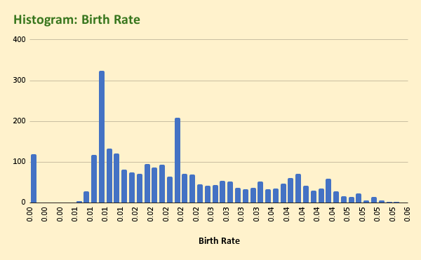
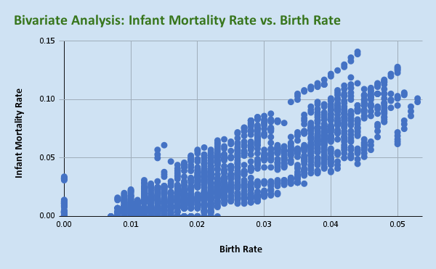
Birth Rate | Infant Mortality Rate | GDP/Capita
0.05 | 0.095 | 119.5252385
0.049 | 0.093 | 115.3125095
0.048 | 0.091 | 185.9592901 |  |  | BIRTH RATE
0.047 | 0.088 | 198.2877991
0.046 | 0.086 | 220.0562878 |  |  | Mean | 0.021743218135
0.045 | 0.084 | 252.4078925 | Corr. Coefficient | 0.85878375629 | Trim Mean | 0.02150680974
0.044 | 0.082 | 275.3509409 | Infant Mortality |  | Median | 0.019
0.042 | 0.08 | 373.5914162 | vs Birth Rate |  | Standard Deviation | 0.012042143527
0.041 | 0.079 | 376.9776699
0.039 | 0.077 | 450.6592391
0.038 | 0.075 | 561.1976175 |  |  | INFANT MORTALITY
0.037 | 0.074 | 613.9791916 |  |  | RATE
0.035 | 0.072 | 687.5813677
0.019 | 0.023 | 1193.466223 |  |  | Mean | 0.029764028242
0.018 | 0.022 | 1335.141008 |  |  | Trim Mean | 0.027196037969
0.017 | 0.021 | 1458.128756 |  |  | Median | 0.018
0.016 | 0.02 | 1863.203835 |  |  | Standard Deviation | 0.030064633955
0.015 | 0.019 | 2476.115886
0.014 | 0.018 | 2798.949633
0.014 | 0.017 | 3076.979844
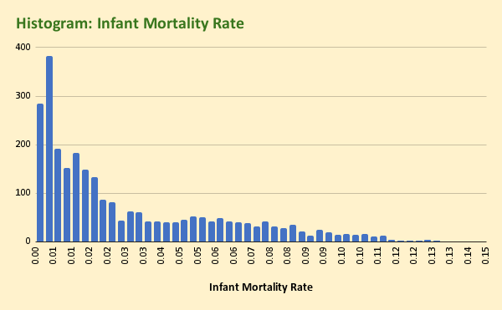
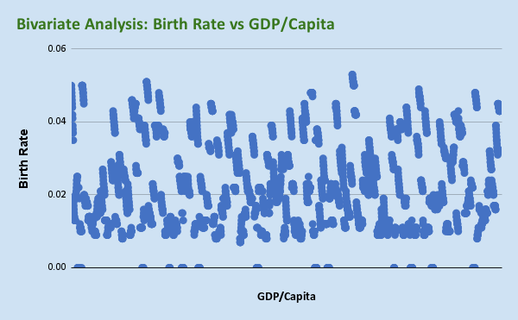
0.013 | 0.017 | 3638.710813
0.013 | 0.016 | 4422.692446
0.013 | 0.015 | 4175.779349 | Correlation Coeff
0.013 | 0.015 | 4175.120239 | Birth Rate | -0.42636589442
0.013 | 0.014 | 4556.144342 | vs GDP/Capita
0.013 | 0.014 | 4406.116378
0.02 | 0.034 | 1727.333251
0.019 | 0.033 | 1702.780079
0.019 | 0.032 | 1742.55761
0.02 | 0.031 | 2056.265303
0.02 | 0.03 | 2549.957193
0.021 | 0.029 | 3032.899331
0.022 | 0.028 | 3390.595369
0.023 | 0.026 | 3846.477893
0.024 | 0.025 | 4786.51352
0.024 | 0.024 | 3765.463618
0.025 | 0.024 | 4343.975985
0.025 | 0.023 | 5269.713748
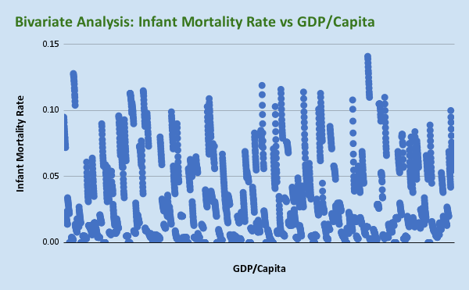
0.025 | 0.022 | 5301.220411
0 | 0 | 181096.9821
0 | 0 | 0
0 | 0 | 0
0 | 0 | 0 | Coreelation Coeff
0 | 0 | 0 | Infant Mortality | -0.42395826056
0 | 0 | 0 | Rate vs GDP/Capita
0 | 0 | 0
0.022 | 0 | 0
0 | 0 | 0
0 | 0 | 0
0 | 0 | 0
0.019 | 0 | 0
0 | 0 | 0
0 | 0 | 0
0.011 | 0.004 | 17334.27568
0.012 | 0.004 | 16671.23963
0.011 | 0.004 | 17654.6329
0.01 | 0.003 | 19250.93923
0.011 | 0.003 | 24259.40393
0.011 | 0.003 | 28589.97454
0.011 | 0.003 | 31019.20302
0.01 | 0.003 | 34732.86243
0.01 | 0.003 | 40583.37086
0.01 | 0.003 | 47191.47544
0.01 | 0.002 | 0
0 | 0.002 | 0
0.01 | 0.002 | 0
0.05 | 0.128 | 8258.569343
0.05 | 0.127 | 634.6482595
0.05 | 0.126 | 600.2777572
0.05 | 0.125 | 810.4069297
0.05 | 0.123 | 888.1017931
0.049 | 0.122 | 1187.162487
0.049 | 0.12 | 1648.93265
0.048 | 0.117 | 2359.279043
0.048 | 0.115 | 3300.613487
0.047 | 0.112 | 4447.595692
0.046 | 0.11 | 3861.677774
0.046 | 0.107 | 4086.664638
0.045 | 0.104 | 4995.07097
0.02 | 0.014 | 15378.04031
0.02 | 0.013 | 9974.337626
0.02 | 0.012 | 9725.247495
0.019 | 0.012 | 9968.677371
0.019 | 0.011 | 10392.26063
0.019 | 0.011 | 10962.43889
0.018 | 0.01 | 12004.39629
0.018 | 0.01 | 13524.39471
0.018 | 0.009 | 15105.73335
0.017 | 0.009 | 15613.06381
0.017 | 0.009 | 13828.43988
0.017 | 0.008 | 12881.79004
0.017 | 0.008 | 12653.52746
0.019 | 0.018 | 16340.10528
0.018 | 0.018 | 9229.111375
0.018 | 0.017 | 8637.289518
0.018 | 0.017 | 3265.700758
0.018 | 0.016 | 4098.277317
0.018 | 0.015 | 4735.062392
0.018 | 0.015 | 5719.573223
0.017 | 0.014 | 6712.201666
0.017 | 0.014 | 8317.353303
0.017 | 0.013 | 10144.00464
0.017 | 0.013 | 9362.409046
0.017 | 0.013 | 11367.89458
0.017 | 0.012 | 13580.96214
0.013 | 0.027 | 3237.28889
0.013 | 0.025 | 624.7021742
0.013 | 0.024 | 695.263053
0.014 | 0.023 | 782.7108041
0.014 | 0.022 | 927.7540871
0.014 | 0.021 | 1186.306369
0.014 | 0.02 | 1631.895437
0.014 | 0.019 | 2135.35442
0.014 | 0.018 | 3091.969371
0.014 | 0.017 | 3929.055135
0.014 | 0.016 | 2918.153677
0.014 | 0.015 | 3124.127031
0.014 | 0.015 | 3415.987226
0.014 | 0 | 20619.56585
0.014 | 0 | 20167.63746
0.013 | 0 | 20214.35412
0.013 | 0 | 20008.19432
0.013 | 0 | 20470.5361
0.012 | 0 | 22275.88777
0.012 | 0 | 23118.17502
0.012 | 0 | 23923.1257
0.011 | 0 | 25889.31024
0.011 | 0 | 27529.24426
0.011 | 0 | 24596.52314
0.011 | 0 | 24209.31514
0.01 | 0 | 25242.84739
0.013 | 0.005 | 79883.04704
0.013 | 0.005 | 21377.4275
0.013 | 0.005 | 19286.15773
0.013 | 0.005 | 19803.57269
0.012 | 0.005 | 23202.20197
0.013 | 0.005 | 30056.68111
0.013 | 0.005 | 33529.97164
0.014 | 0.005 | 35865.87029
0.014 | 0.004 | 40189.74832
0.014 | 0.004 | 48866.61719
0.014 | 0.004 | 42075.54535
0.014 | 0.004 | 51029.54342
0.014 | 0.004 | 61169.07749
0.01 | 0.005 | 49178.89961
0.009 | 0.005 | 23873.78823
0.01 | 0.004 | 23756.62231
0.01 | 0.004 | 25611.27527
0.01 | 0.004 | 31081.87185
0.01 | 0.004 | 35367.77442
0.009 | 0.004 | 36886.3517
0.009 | 0.004 | 39152.90934
0.009 | 0.004 | 44980.60796
0.009 | 0.004 | 49490.30367
0.009 | 0.004 | 45770.02161
0.009 | 0.003 | 44966.87975
0.009 | 0.003 | 49347.62089
0.015 | 0.061 | 8539.485912
0.014 | 0.057 | 650.0415717
0.014 | 0.053 | 698.4401822
0.014 | 0.05 | 757.3414157
0.016 | 0.047 | 875.9123712
0.017 | 0.044 | 1034.397888
0.018 | 0.042 | 1561.122497
0.018 | 0.039 | 2445.115627
0.017 | 0.037 | 3771.406507
0.017 | 0.035 | 5460.059927
0.018 | 0.034 | 4891.745788
0.019 | 0.032 | 5767.167826
0.019 | 0.031 | 7094.789122
0.018 | 0.013 | 27367.78401
0.017 | 0.013 | 20882.6653
0.016 | 0.013 | 21086.82399
0.016 | 0.013 | 22045.20569
0.015 | 0.013 | 21554.95347
0.015 | 0.013 | 21557.79913
0.015 | 0.012 | 22961.01567
0.015 | 0.012 | 23287.85642
0.016 | 0.012 | 23881.8281
0.016 | 0.012 | 23263.28944
0.016 | 0.011 | 21693.37971
0.015 | 0.011 | 21532.67673
0.015 | 0.011 | 21165.13604
0.021 | 0.011 | 45436.31536
0.021 | 0.011 | 12970.53434
0.02 | 0.01 | 12253.84848
0.02 | 0.01 | 12476.27913
0.019 | 0.01 | 13497.927
0.019 | 0.009 | 14951.68636
0.018 | 0.009 | 16792.82245
0.018 | 0.009 | 17925.3132
0.017 | 0.008 | 19471.19208
0.017 | 0.007 | 21578.1002
0.016 | 0.007 | 18328.58686
0.016 | 0.006 | 19890.36504
0.016 | 0.006 | 22039.59903
0.027 | 0.064 | 876.2436853
0.026 | 0.062 | 349.7743583
0.026 | 0.059 | 342.9612364
0.025 | 0.056 | 341.781033
0.024 | 0.053 | 367.5692896
0.023 | 0.051 | 395.1561315
0.023 | 0.048 | 416.0840826
0.022 | 0.046 | 422.6570831
0.022 | 0.043 | 462.3601854
0.021 | 0.041 | 532.1250909
...

Life Expectancy
Life Expectancy Female | Life Expectancy Male | Average Life Expectancy | GDP/Capita
56 | 54 | 55 | 119.5252385
56 | 54 | 55 | 115.3125095
57 | 55 | 56 | 185.9592901
57 | 55 | 56 | 198.2877991
58 | 55 | 56.5 | 220.0562878
58 | 56 | 57 | 252.4078925 |  |  | AVERAGE LIFE
59 | 56 | 57.5 | 275.3509409 |  |  | EXPECTANCY
59 | 57 | 58 | 373.5914162
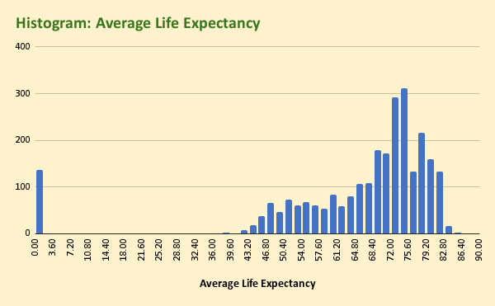
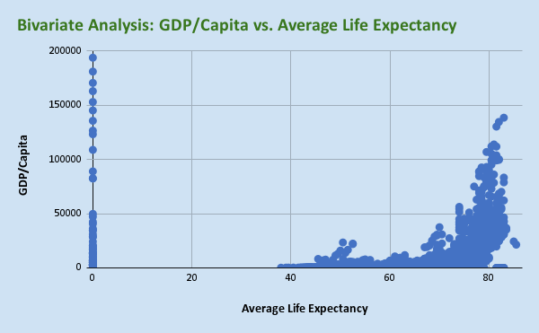
60 | 57 | 58.5 | 376.9776699 |  |  | Mean | 65.268115942
60 | 58 | 59 | 450.6592391 |  |  | Trim Mean | 67.957284358
61 | 58 | 59.5 | 561.1976175 |  |  | Median | 71
61 | 59 | 60 | 613.9791916 |  |  | Standard Deviation | 17.977762021
62 | 59 | 60.5 | 687.5813677
77 | 71 | 74 | 1193.466223
78 | 72 | 75 | 1335.141008
78 | 72 | 75 | 1458.128756
79 | 72 | 75.5 | 1863.203835
79 | 73 | 76 | 2476.115886
79 | 73 | 76 | 2798.949633
80 | 73 | 76.5 | 3076.979844
80 | 73 | 76.5 | 3638.710813
80 | 74 | 77 | 4422.692446
80 | 74 | 77 | 4175.779349
80 | 74 | 77 | 4175.120239
80 | 74 | 77 | 4556.144342
80 | 74 | 77 | 4406.116378
71 | 67 | 69 | 1727.333251
71 | 68 | 69.5 | 1702.780079
71 | 68 | 69.5 | 1742.55761 | Correlation Coefficient:
71 | 68 | 69.5 | 2056.265303 | GDP/Capita vs Average | 0.1793776086
71 | 68 | 69.5 | 2549.957193 | Life Expectancy
71 | 68 | 69.5 | 3032.899331
72 | 68 | 70 | 3390.595369
72 | 69 | 70.5 | 3846.477893
72 | 69 | 70.5 | 4786.51352
72 | 69 | 70.5 | 3765.463618
...

Population
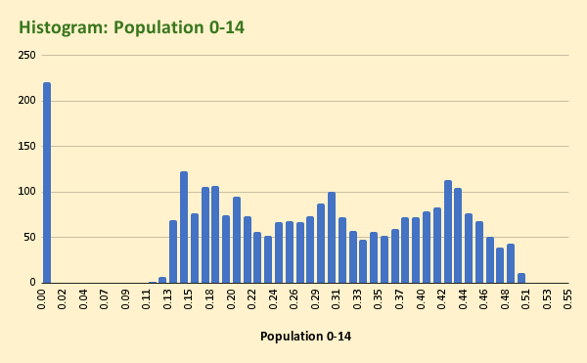
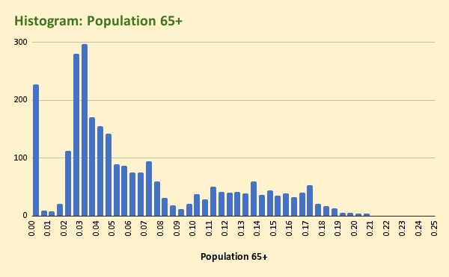
Population 0-14 | Population 15-64 | Population 65+ | Population Total | Population Urban | GDP/Capita
0.495 | 0.485 | 0.02 | 20595360 | 0.213 | 119.5252385
0.495 | 0.484 | 0.02 | 21347782 | 0.216 | 115.3125095
0.495 | 0.485 | 0.02 | 22202806 | 0.219 | 185.9592901 |  |  | TOTAL POPULATION
0.494 | 0.485 | 0.02 | 23116142 | 0.222 | 198.2877991
0.494 | 0.486 | 0.02 | 24018682 | 0.226 | 220.0562878 |  |  | Mean | 31602769.789
0.493 | 0.487 | 0.02 | 24860855 | 0.229 | 252.4078925 |  |  | Trim Mean | 14053902.189
0.493 | 0.487 | 0.02 | 25631282 | 0.232 | 275.3509409 |  |  | Median | 5895930
0.492 | 0.487 | 0.021 | 26349243 | 0.236 | 373.5914162 |  |  | Standard Deviation | 124571328.33
0.492 | 0.487 | 0.021 | 27032197 | 0.239 | 376.9776699
0.49 | 0.489 | 0.021 | 27708187 | 0.243 | 450.6592391
0.486 | 0.492 | 0.022 | 28397812 | 0.247 | 561.1976175
0.481 | 0.497 | 0.022 | 29105480 | 0.251 | 613.9791916
0.474 | 0.503 | 0.023 | 29824536 | 0.255 | 687.5813677
0.303 | 0.628 | 0.068 | 3089027 | 0.417 | 1193.466223 |  |  | URBAN POPULATION
0.297 | 0.632 | 0.071 | 3064111 | 0.424 | 1335.141008
0.29 | 0.636 | 0.075 | 3051427 | 0.435 | 1458.128756 |  |  | Mean | 0.55586770717
0.282 | 0.64 | 0.078 | 3033659 | 0.446 | 1863.203835 |  |  | Trim Mean | 0.55649566653
0.273 | 0.645 | 0.082 | 3014579 | 0.457 | 2476.115886 |  |  | Median | 0.556
0.265 | 0.649 | 0.085 | 2992724 | 0.467 | 2798.949633 |  |  | Standard Deviation | 0.2500753514
0.258 | 0.654 | 0.089 | 2968028 | 0.478 | 3076.979844
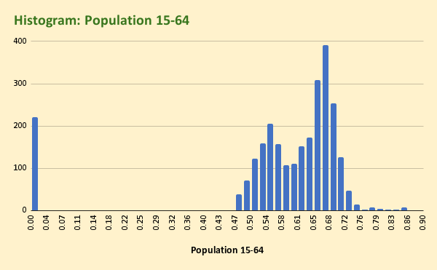
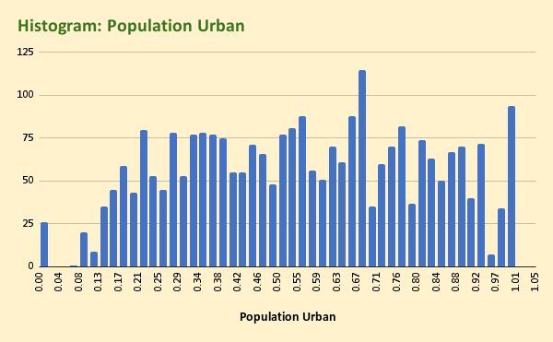
0.25 | 0.658 | 0.092 | 2940880 | 0.489 | 3638.710813
0.243 | 0.662 | 0.095 | 2912559 | 0.5 | 4422.692446
0.236 | 0.666 | 0.098 | 2884303 | 0.511 | 4175.779349
0.228 | 0.671 | 0.101 | 2856673 | 0.522 | 4175.120239
0.221 | 0.676 | 0.103 | 2829337 | 0.532 | 4556.144342
0.213 | 0.681 | 0.106 | 2801681 | 0.543 | 4406.116378
 | 0.619 | 0.039 | 31719449 | 0.599 | 1727.333251
 | 0.63 | 0.04 | 32150198 | 0.607 | 1702.780079
 | 0.641 | 0.041 | 32572977 | 0.615 | 1742.55761
 | 0.651 | 0.042 | 33003442 | 0.623 | 2056.265303
 | 0.66 | 0.043 | 33461345 | 0.631 | 2549.957193
 | 0.667 | 0.044 | 33960903 | 0.638 | 3032.899331
 | 0.673 | 0.045 | 34507214 | 0.646 | 3390.595369
 | 0.677 | 0.046 | 35097043 | 0.653 | 3846.477893
 | 0.68 | 0.047 | 35725377 | 0.661 | 4786.51352
 | 0.681 | 0.047 | 36383302 | 0.668 | 3765.463618
 | 0.681 | 0.047 | 37062820 | 0.675 | 4343.975985
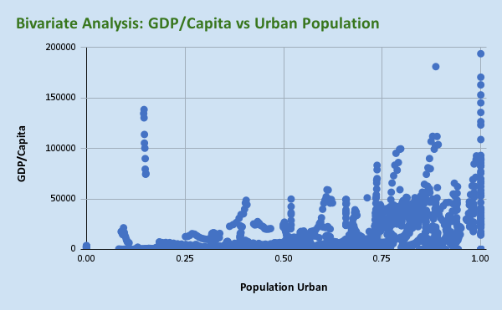
 | 0.681 | 0.047 | 37762962 | 0.682 | 5269.713748
 | 0.679 | 0.047 | 38481705 | 0.689 | 5301.220411
 | 0 | 0 | 57522 | 0.886 | 181096.9821
 | 0 | 0 | 57522 | 0.886 | 0
 | 0 | 0 | 58176 | 0.885 | 0
 | 0 | 0 | 58729 | 0.884 | 0
 | 0 | 0 | 59117 | 0.883 | 0 | Correlation Coefficient
 | 0 | 0 | 59262 | 0.882 | 0 | GDP/Capita vs | 0.45378402226
 |  | 0 | 59117 | 0.881 | 0 | Population Popu;ation
 |  | 0 | 58652 | 0.88 | 0
 |  | 0 | 57919 | 0.879 | 0
 |  | 0 | 57053 | 0.878 | 0
 |  | 0 | 56245 | 0.877 | 0
 |  | 0 | 55636 | 0.876 | 0
 |  | 0 | 55274 | 0.875 | 0
 |  | 0 | 55128 | 0.874 | 0
 |  | 0 | 65399 | 0.924 | 17334.27568
 |  | 0 | 68000 | 0.921 | 16671.23963
 |  | 0 | 71639 | 0.916 | 17654.6329
 |  | 0 | 75643 | 0.912 | 19250.93923
 |  | 0 | 79060 | 0.908 | 24259.40393
 |  | 0 | 81223 | 0.903 | 28589.97454
 |  | 0 | 81877 | 0.898 | 31019.20302
 |  | 0 | 81292 | 0.894 | 34732.86243
 |  | 0 | 79969 | 0.889 | 40583.37086
 |  | 0 | 78659 | 0.884 | 47191.47544
 |  | 0 | 77907 | 0.878 | 0
 |  | 0 | 77865 | 0.873 | 0
...

Health
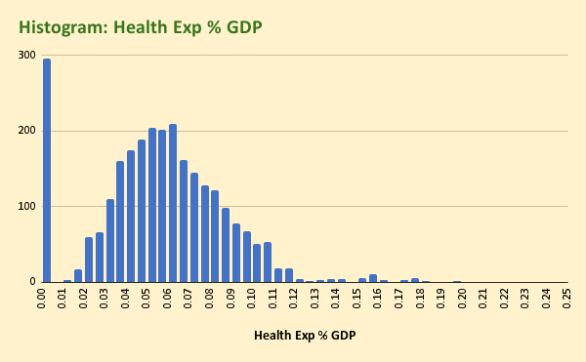
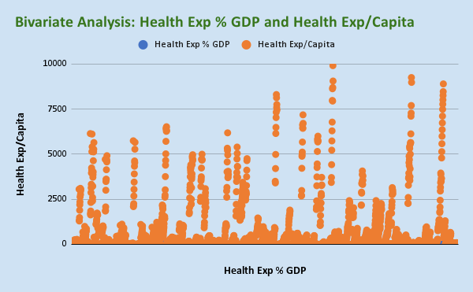
Health Exp % GDP | Health Exp/Capita | GDP/Capita
0 | 0 | 119.5252385
0 | 0 | 115.3125095
0.089 | 14 | 185.9592901
0.1 | 18 | 198.2877991
0.098 | 19 | 220.0562878 |  |  | HEALTH EXP%GDP
0.092 | 21 | 252.4078925 | Correlation Coefficient
0.091 | 23 | 275.3509409 | Health Exp % GDP vs | 0.45216066929 | Mean | 0.057111111111
0.1 | 30 | 373.5914162 | Health Exp/Capita |  | Trim Mean | 0.056246801486
0.097 | 35 | 376.9776699 |  |  | Median | 0.057
0.087 | 35 | 450.6592391 |  |  | Standard Deviation | 0.031937344433
0.087 | 43 | 561.1976175
0.084 | 48 | 613.9791916
0.086 | 51 | 687.5813677 |  |  | HEALTH EXP/CAPITA
0.064 | 70 | 1193.466223
0.06 | 75 | 1335.141008 |  |  | Mean | 713.24637681
0.065 | 89 | 1458.128756 |  |  | Trim Mean | 476.36896409
0.062 | 108 | 1863.203835 |  |  | Median | 146
0.065 | 148 | 2476.115886 |  |  | Standard Deviation | 1412.4622278
0.063 | 160 | 2798.949633
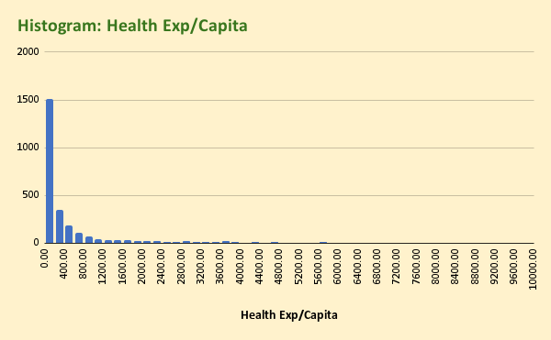
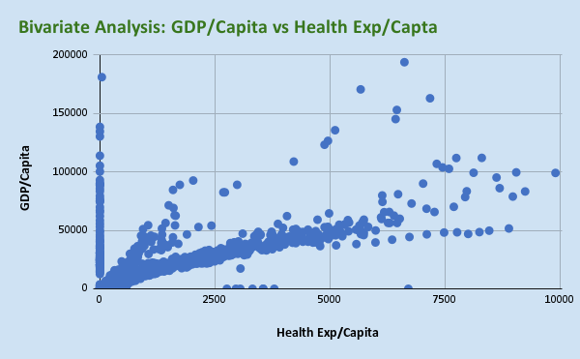
0.06 | 168 | 3076.979844
0.064 | 218 | 3638.710813
0.061 | 251 | 4422.692446
0.06 | 230 | 4175.779349
0.055 | 207 | 4175.120239
0.06 | 243 | 4556.144342
0.06 | 228 | 4406.116378 | Correlation Coefficient
0.035 | 60 | 1727.333251 | GDP/Capita vs | 0.73755990868
0.038 | 65 | 1702.780079 | Health Exp/Capita
0.037 | 65 | 1742.55761
0.036 | 74 | 2056.265303
0.035 | 90 | 2549.957193
0.031 | 95 | 3032.899331
0.031 | 106 | 3390.595369
0.035 | 135 | 3846.477893
0.038 | 183 | 4786.51352
0.046 | 174 | 3765.463618
0.042 | 181 | 4343.975985
0.044 | 233 | 5269.713748
0.052 | 279 | 5301.220411
0.065 | 42 | 181096.9821
0 | 0 | 0
0 | 0 | 0
0 | 0 | 0
0 | 0 | 0
0 | 0 | 0
...

Energy
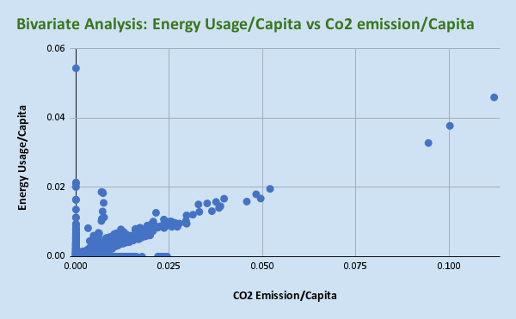
CO2 Emission/Capita | Energy Usage/Capita | GDP/Capita
0 | 0 | 119.5252385
0 | 0 | 115.3125095
0.00037094410499 | 0 | 185.9592901
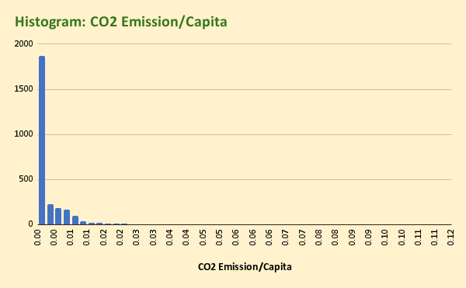
0.0002822270256 | 0 | 198.2877991
0.00016349773064 | 0 | 220.0562878 | Correlation |  | CO2 EMISSION
8.0085741218E-05 | 0 | 252.4078925 | Coefficient | 0.73091679189 | PER CAPITA
0 | 0 | 275.3509409
0 | 0 | 373.5914162 |  |  | Mean | 0.002970942619
2.1566874494E-05 | 0 | 376.9776699 |  |  | Trim Mean | 0.0020584392545
4.8288976828E-05 | 0 | 450.6592391 |  |  | Median | 0.00024623728244
0 | 0 | 561.1976175 |  |  | Standard Deviation | 0.0062680860461
2.5184260833E-05 | 0 | 613.9791916
1.2037069076E-05 | 0 | 687.5813677
0 | 0 | 1193.466223
0 | 0.00070917796385 | 1335.141008
0.0014036055917 | 0.00067476626509 | 1458.128756
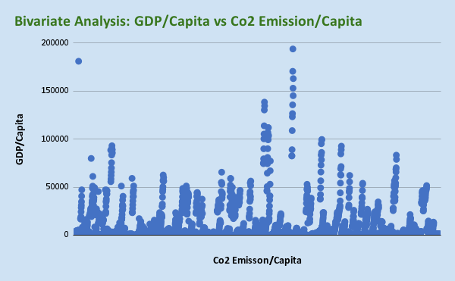
0.0012789835641 | 0.00068168505425 | 1863.203835
0.0013696771589 | 0.00068367755498 | 2476.115886 |  |  | ENERGY USAGE
0.0013552870228 | 0.00067664108017 | 2798.949633 |  |  | PER CAPITA
0 | 0 | 3076.979844
0 | 0 | 3638.710813 | Correlation | 0.30688118041 | Mean | 0.0013220853427
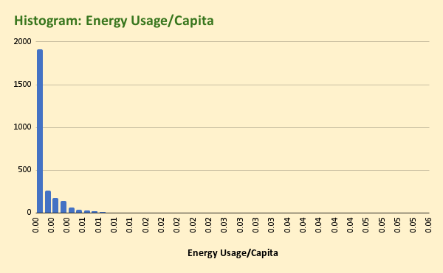
0.0014743048982 | 0.00067844119209 | 4422.692446 | Coefficient |  | Trim Mean | 0.00088802509415
0.001340011781 | 0.00071698431129 | 4175.779349 |  |  | Median | 0.00022799062958
0 | 0 | 4175.120239 |  |  | Standard Deviation | 0.0029013899823
0.00147242976 | 0.00076767101268 | 4556.144342
0.0013388390755 | 0.00070493393074 | 4406.116378
0 | 0 | 1727.333251
0 | 0.0013017649223 | 1702.780079
0.003790718914 | 0.0012312353274 | 1742.55761
0.0037749395957 | 0.0012369315903 | 2056.265303
0.0034254152067 | 0.0011184547423 | 2549.957193
0.0033078920192 | 0.001083392865 | 3032.899331

0 | 0 | 3390.595369
0 | 0 | 3846.477893
0.0025901196228 | 0.00085927714633 | 4786.51352
0.0028574371837 | 0.00095257984006 | 3765.463618
0 | 0 | 4343.975985
0.0023698617709 | 0.00082022167647 | 5269.713748 | Correlation | 0.31623142405
0.0023609660747 | 0.00074770595534 | 5301.220411 | Coefficient
0 | 0 | 181096.9821
0 | 0 | 0
0 | 0 | 0
0 | 0 | 0
0 | 0 | 0
0 | 0 | 0
0 | 0 | 0
0 | 0 | 0
...

Lending Interest
Lending Interest | GDP/Capita
0 | 119.5252385
0 | 115.3125095
0 | 185.9592901
0 | 198.2877991
0 | 220.0562878
0 | 252.4078925 |  |  | LENDING INTEREST
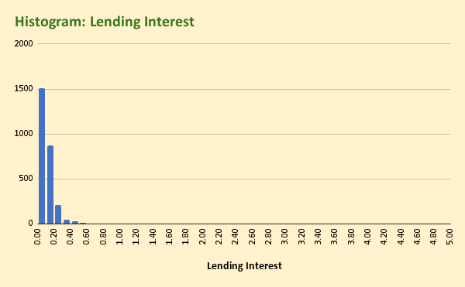
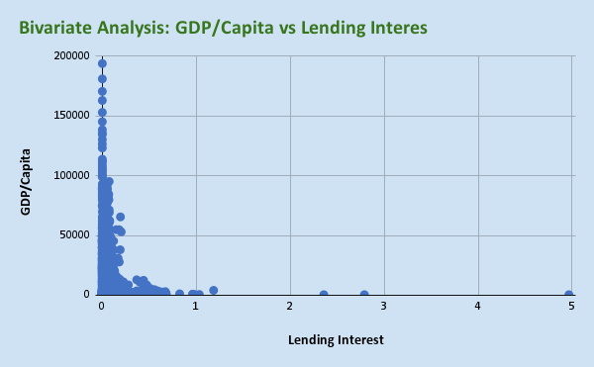
0.18 | 275.3509409
0.181 | 373.5914162 |  |  | Mean | 0.10346822742
0.149 | 376.9776699 |  |  | Trim Mean | 0.08784729674
0.15 | 450.6592391 |  |  | Median | 0.086
0.157 | 561.1976175 |  |  | Standard Deviation | 0.15888273251
0.151 | 613.9791916
0.15 | 687.5813677
0.221 | 1193.466223
0.197 | 1335.141008
0.153 | 1458.128756
0.143 | 1863.203835
0.118 | 2476.115886
0.131 | 2798.949633
0.129 | 3076.979844
0.141 | 3638.710813
0.13 | 4422.692446
0.127 | 4175.779349
0.128 | 4175.120239
0.124 | 4556.144342 | Correlation | -0.19719549139
0.109 | 4406.116378 | Coefficient
0.1 | 1727.333251
0.095 | 1702.780079
0.086 | 1742.55761
0.081 | 2056.265303
0.08 | 2549.957193
0.08 | 3032.899331
...

Usage
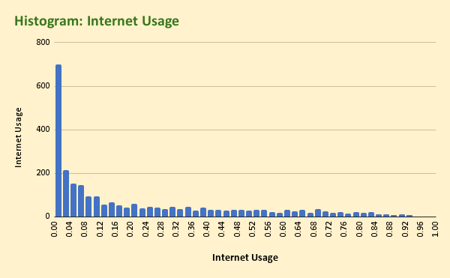
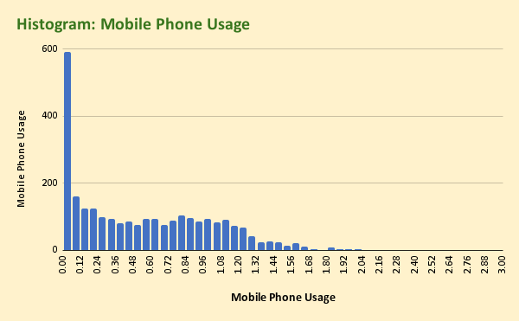
Internet Usage | Mobile Phone Usage | GDP/Capita
0 | 0 | 119.5252385
0 | 0 | 115.3125095
0 | 0.001 | 185.9592901
0.001 | 0.009 | 198.2877991
0.001 | 0.025 | 220.0562878 |  |  |  |  |  |  | INTERNET USAGE
0.012 | 0.048 | 252.4078925
0.021 | 0.098 | 275.3509409 |  |  |  |  |  |  | Mean | 0.22617019695
0.019 | 0.177 | 373.5914162 |  |  |  |  |  |  | Trim Mean | 0.20469789517
0.018 | 0.292 | 376.9776699 |  |  |  |  |  |  | Median | 0.106
0.036 | 0.379 | 450.6592391 |  |  |  |  |  |  | Standard Deviation | 0.25537047077
0.04 | 0.458 | 561.1976175
0.05 | 0.603 | 613.9791916
0.055 | 0.655 | 687.5813677
0.001 | 0.009 | 1193.466223
0.003 | 0.119 | 1335.141008 |  |  |  |  |  |  | MOBILE PHONE USAGE
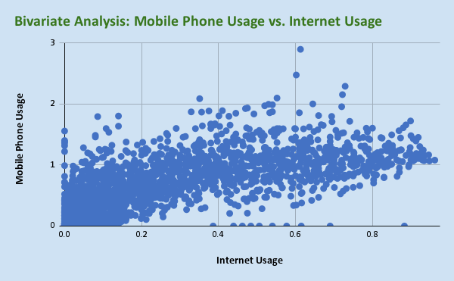
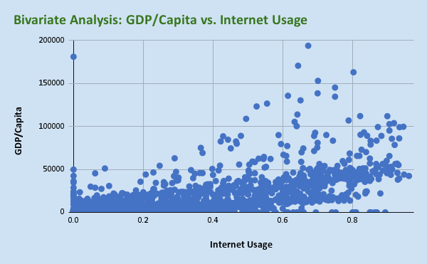
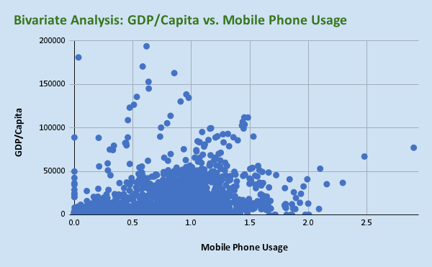
0.004 | 0.261 | 1458.128756
0.01 | 0.34 | 1863.203835 |  |  |  |  |  |  | Mean | 0.5452950576
0.024 | 0.392 | 2476.115886 |  |  |  |  |  |  | Trim Mean | 0.51654725547
0.06 | 0.479 | 2798.949633 |  |  |  |  |  |  | Median | 0.466
0.096 | 0.601 | 3076.979844 |  |  |  |  |  |  | Standard Deviation | 0.47718295795
0.15 | 0.734 | 3638.710813
0.239 | 0.589 | 4422.692446
0.412 | 0.782 | 4175.779349
0.45 | 0.855 | 4175.120239
0.49 | 0.983 | 4556.144342
0.547 | 1.107 | 4406.116378
0.005 | 0.003 | 1727.333251
0.006 | 0.003 | 1702.780079
0.016 | 0.014 | 1742.55761
0.022 | 0.044 | 2056.265303
0.046 | 0.146 | 2549.957193
0.058 | 0.402 | 3032.899331
0.074 | 0.609 | 3390.595369 |  |  |  |  | Correlation | 0.44225171325
0.095 | 0.785 | 3846.477893 | Correlation | 0.75133614724 | Correlation | 0.68663709702 | Coefficient
0.102 | 0.757 | 4786.51352 | Coefficient |  | Coeficient
0.112 | 0.9 | 3765.463618
0.125 | 0.884 | 4343.975985
0.14 | 0.943 | 5269.713748
0.152 | 0.975 | 5301.220411
0 | 0.035 | 181096.9821
0 | 0.035 | 0
...

Business
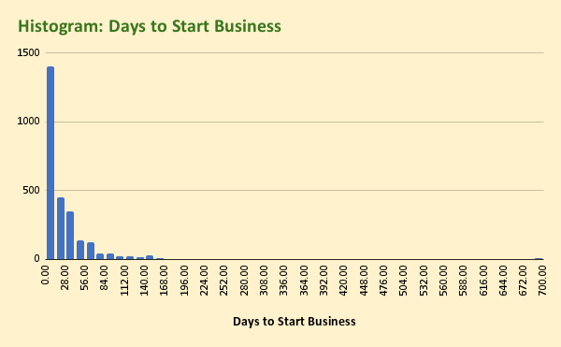
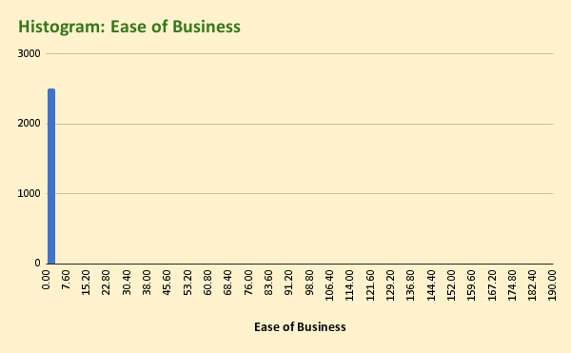
Days to Start Business | Ease of Business | GDP/Capita
0 | 0 | 119.5252385
0 | 0 | 115.3125095
0 | 0 | 185.9592901
0 | 0 | 198.2877991
9 | 0 | 220.0562878
9 | 0 | 252.4078925
9 | 0 | 275.3509409
9 | 0 | 373.5914162 |  |  |  |  |  |  | Trim Mean | 18.907965332
9 | 0 | 376.9776699 |  |  |  |  |  |  | Median | 12
7 | 0 | 450.6592391 |  |  |  |  |  |  | Standard Deviation | 49.664065325
7 | 0 | 561.1976175
7 | 0 | 613.9791916
7 | 170 | 687.5813677
0 | 0 | 1193.466223
0 | 0 | 1335.141008 |  |  |  |  |  |  | EASE OF BUSINESS
0 | 0 | 1458.128756
41 | 0 | 1863.203835 |  |  |  |  |  |  | Mean | 6.5224823486
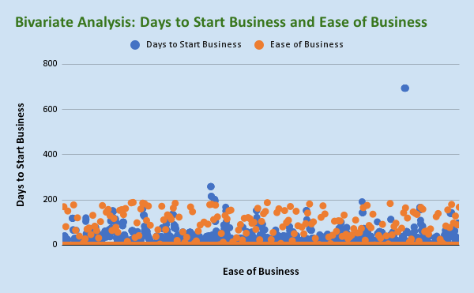
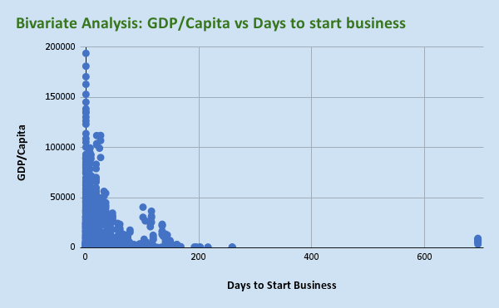
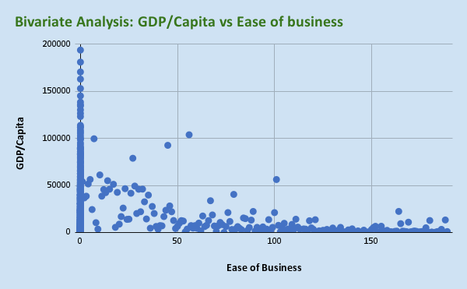
41 | 0 | 2476.115886 |  |  |  |  |  |  | Trim Mean | 0.56211308296
41 | 0 | 2798.949633 |  |  |  |  |  |  | Median | 0
39 | 0 | 3076.979844 |  |  |  |  |  |  | Standard Deviation | 27.961546815
36 | 0 | 3638.710813
9 | 0 | 4422.692446
6 | 0 | 4175.779349
6 | 0 | 4175.120239
6 | 0 | 4556.144342
5 | 82 | 4406.116378
0 | 0 | 1727.333251
0 | 0 | 1702.780079
0 | 0 | 1742.55761
25 | 0 | 2056.265303
25 | 0 | 2549.957193
25 | 0 | 3032.899331
25 | 0 | 3390.595369
25 | 0 | 3846.477893
25 | 0 | 4786.51352
25 | 0 | 3765.463618 |  |  | Correlation | -0.12364139742 | Correlation | -0.054015291398
25 | 0 | 4343.975985 | Correlation | 0.066617193259 | Coefficient |  | Coefficient
25 | 0 | 5269.713748 | Coefficient
25 | 151 | 5301.220411
0 | 0 | 181096.9821
0 | 0 | 0
0 | 0 | 0
0 | 0 | 0
...

Tax
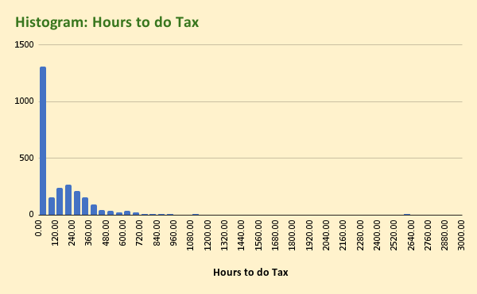
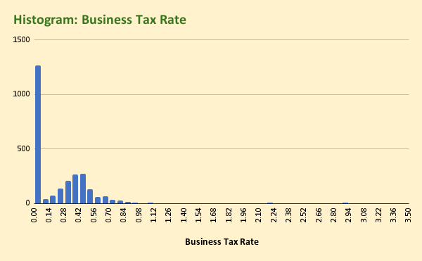
Business Tax Rate | Hours to do Tax | GDP/Capita
0 | 0 | 119.5252385
0 | 0 | 115.3125095
0 | 0 | 185.9592901
0 | 0 | 198.2877991
0 | 0 | 220.0562878
0.363 | 275 | 252.4078925
0.363 | 275 | 275.3509409
0.363 | 275 | 373.5914162 |  |  |  |  |  |  | Trim Mean | 0.2099640941
0.363 | 275 | 376.9776699 |  |  |  |  |  |  | Median | 0.168
0.363 | 275 | 450.6592391 |  |  |  |  |  |  | Standard Deviation | 0.38526649554
0.363 | 275 | 561.1976175
0.363 | 275 | 613.9791916
0.363 | 275 | 687.5813677
0 | 0 | 1193.466223
0 | 0 | 1335.141008 |  |  |  |  |  |  | HOURS TO DO TAX
0 | 0 | 1458.128756
0 | 0 | 1863.203835 |  |  |  |  |  |  | Mean | 158.94797473
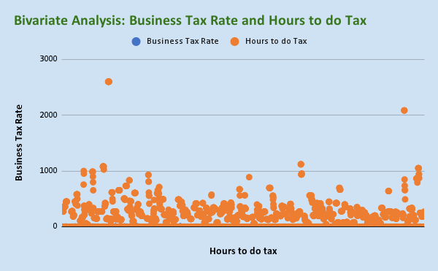
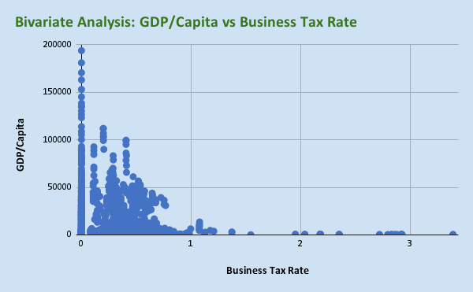
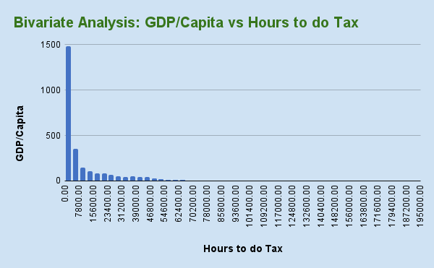
0 | 0 | 2476.115886 |  |  |  |  |  |  | Trim Mean | 126.00041271
0.582 | 364 | 2798.949633 |  |  |  |  |  |  | Median | 76
0.565 | 364 | 3076.979844 |  |  |  |  |  |  | Standard Deviation | 249.09277524
0.459 | 364 | 3638.710813
0.462 | 368 | 4422.692446
0.37 | 368 | 4175.779349
0.331 | 360 | 4175.120239
0.315 | 371 | 4556.144342
0.32 | 357 | 4406.116378
0 | 0 | 1727.333251
0 | 0 | 1702.780079
0 | 0 | 1742.55761
0 | 0 | 2056.265303
0 | 0 | 2549.957193
0.769 | 451 | 3032.899331
0.769 | 451 | 3390.595369
0.742 | 451 | 3846.477893
0.738 | 451 | 4786.51352 |  |  | Correlation | -0.071199777778 | Correlation | -0.11904262555
0.72 | 451 | 3765.463618 | Correlation | 0.47061979454 | Coefficient |  | Coefficient
0.72 | 451 | 4343.975985 | Coefficient
0.72 | 451 | 5269.713748
0.719 | 451 | 5301.220411
0 | 0 | 181096.9821
0 | 0 | 0
0 | 0 | 0
0 | 0 | 0
...

